ESG Policy
Capgemini ESG Policy

As a responsible business, we are determined to play a leadership role in ensuring technology creates a sustainable future. We drive internal change across every aspect of our operations, while helping our clients achieve their sustainability commitments. We also team up with our partners and suppliers, start-ups, policy-makers, governments and academics, to make sustainable progress together aligned to the goals of the Paris Agreement. Our ESG Policy is the guide for an effective integration of our priorities into the Company’s strategy, decision-making process, development of solutions and services, and in our relationship with our main stakeholders. It aims not only to comply with applicable regulations, but also to incorporate national and international ESG best practices and recommendations. To this end, the policy frames 14 objectives that will ensure that we deliver on our priorities. All staff members are responsible for following the policy with the support, direction, and commitment of our leadership.

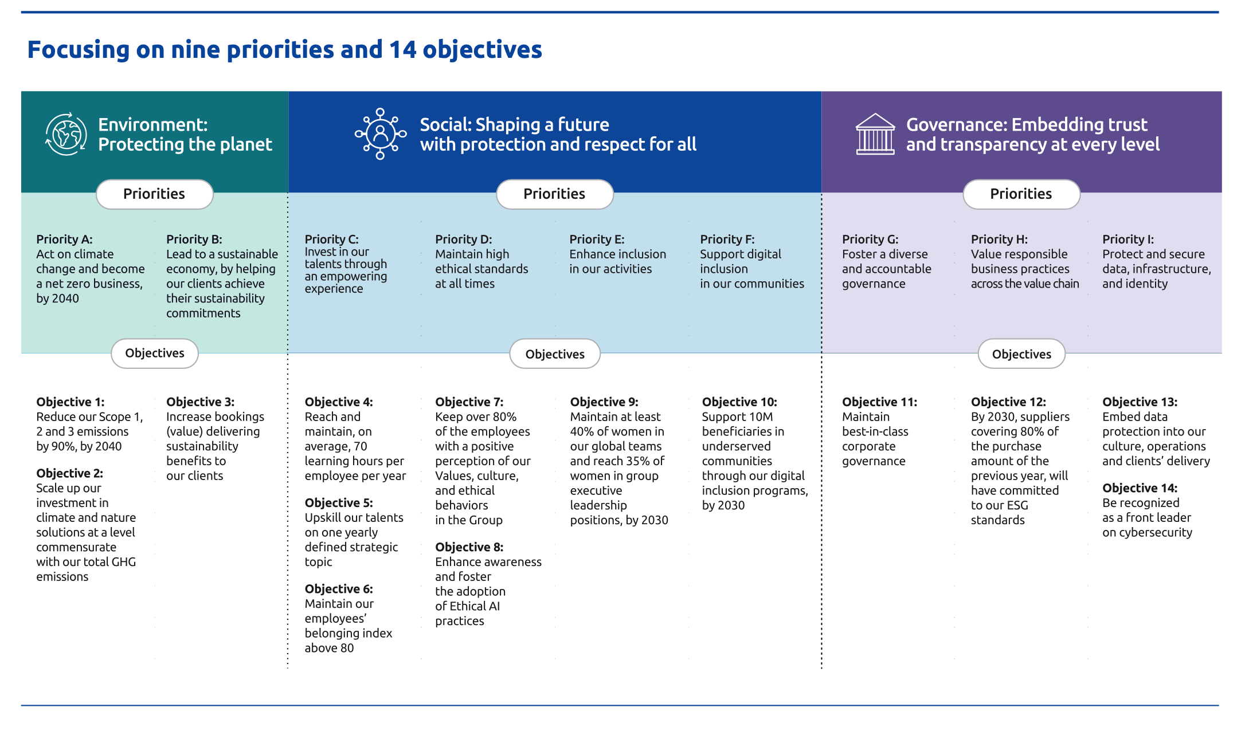

Achievements of our ESG policy at the end of 2025
These achievements reflect our unique ability to leverage our expertise and collaborative approach in addressing some of the world's most pressing challenges

Topics | Objectives | Metric ID | Metric | Unit | 2019 | 2021 | 2022 | 2023 | 2024 | 2025 | % change vs 2019 | % change vs 2024 | 2030 Target | 2040 Target
Environment | Objective 1: Reduce our Scope 1, 2 and 3 emissions by 90% by 2040 | ENVEMIS001 | Absolute Scope 1 and 2 emissions (market based) | tCO₂e | 154,078 | 63,878 | 18,916 | 13,596 | 11,159 | 8,747 | -94% | -22% | -80% absolute | -90% absolute
 |  | ENVEMIS009 | Employee commuting emissions per headcount (average total headcount) | tCO₂e/ head | 1.08√ | 0.11 | 0.36 | 0.50 | 0.55 | 0.50√ | -53.4% √ | -9% | -55% per employee | -90% absolute
 |  | ENVEMIS038 | Purchased goods and services - Scope 3 | tCO₂e | 305,718√ | 300,624 | 365,650 | 352,062 | 301,522 | 279,527√ | -8.6% √ | -7% | -50% absolute | -90% absolute
 |  | ENVEMIS005 | Business travel emissions per headcount (average total headcount) | tCO₂e/ head | 1.26√ | 0.18 | 0.40 | 0.50 | 0.48 | 0.38√ | -70% √ | -22% | -55% per employee | -90% absolute
 | Objective 2: Scale up our investment in climate and nature solutions at a level commensurate with our total GHG emissions | ENVEMIS050 | % of residual operational emissions for which carbon credits have been retired | % | - | - | - | - | - | 100% | - | - | 100% | -
 |  | ENVEMIS051 | % of residual total emissions for which carbon credits have been retired | % | - | - | - | - | - | 57.8% | - | - | 100% | -
 | Objective 3: Increase bookings (value) delivering sustainability benefits to our clients | ENVBOOK002 | Variation of booking values delivering sustainability benefits to our clients | % | - | - | - | - | - | 7% √ | - | - | Increasing every year | -
Social | Objective 4: Reach and maintain, on average, 70 learning hours per headcount per year | SOCSKIL011 | Average Completed Learning Hours, including learning in the flow of work, per headcount at the end of the year | Hours | - | - | - | 66.5 | 81.3 | 97.2√ | - | 20% | >=70 | -
 | Objective 5: Upskill our talents on one yearly defined strategic topic | SOCSKIL013 | Number of active learners on a yearly defined strategic topic | # | - | - | - | - | - | 194,775 | - | - | Above the target defined by the Group and disclosed in N-1
 | Objective 6: Maintain our employees’ belonging index above 80 | SOCPEOP011 | Belonging Index Score | Score | - | - | - | - | - | 84 | - | - | >80 | -
 | Objective 7: Keep over 80% of the employees with a positive perception of our Values, culture, and the demonstration of ethical behaviors in the Group | GOVETHI010 | % of employees surveyed with an average Ethical culture scorebetween 7 and 10 (annual average number of employees) | % | - | 85% | 87% | 86% | 85% | 85% | - | 0% | >80% | -
 | Objective 8: Enhance awareness and foster the adoption of Ethical AI practices | GOVETHI040 | % of headcount (total headcount at the end of the year) who completed the annual "Ethics in AI" training | % | - | - | - | - | - | To be reported from 2026 | - | - | >80% | -
 | Objective 9: Maintain at least 40% of women in our global teams and reach 35% of women in group executive leadership positions, by 2030* | SOCDIVE004 | % of women in the workforce | % | - | 35.8% | 37.8% | 38.8% | 39.7% | 40.5% √ | - | 2% | >=40% | -
 |  | SOCDIVE007 | % of women in group executive leadership positions | % | - | 22.4% | 24.4% | 26.2% | 29.0% | 30.5% √ | - | 5% | >=35% | -
 | Objective 10: Support 10M beneficiaries in underserved communities through our programs, by 2030 | SOCCOMM001 | Cumulated number of Digital Inclusion beneficiaries (since 2018) | # | - | 762,282 | 1,899,744 | 4,376,777 | 7,542,231 | 8,497,643 | - | 13% | >10M | -
Governance | Objective 11: Maintain best-in-class corporate governance | GOVORGA029 | MSCI ESG rating on corporate governance | Score | - | Rating achieved | Rating achieved | Rating achieved | Rating achieved | Rating achieved | - | - | Top quartile of MSCI ESG rating compared to industry peers
 | Objective 12: By 2030, suppliers covering 80% of the purchase amount of the previous year, will have committed to our ESG standards | GOVSUPP009 | Purchase amount with suppliers who have committed to our ESG standards (committed to the Capgemini’s Supplier Standards of Conduct or equivalent commitment) over the total purchase amount of the reporting year (%) (2) | % | - | - | 0% | 0% | 60.0% | 71.8% | - | 20% | >80% | -
 | Objective 13: Embed data protection into our culture, operations and clients’ delivery | GOVDATA006 | % of headcount (total headcount at the end of the year) who completed the mandatory e-learning module on data protection | % | - | - | 89% | 96% | 95% | 94% | - | -1% | >90% | -
 |  | GOVDATA007 | % of DPO (number of DPO at the end of the year) certified with one of the external official certifying bodies | % | - | 57% | 65% | 72% | 76% | 87% | - | 14% | >90% | -
 |  | GOVDATA017 | % of qualified client engagements having reached a top-level comprehensive digital data protection maturity assessment | % | - | - | - | - | - | 58% | - | - | >85% | -
 | Objective 14: Be recognized as a front leader on cybersecurity | GOVCYBE007 | % of operation centers and sensitive facilities at the end of the year, ISO 27001 certified | % | - | 80% | 95% | 95% | 98% | 98% | - | -1% | >98% | -
 |  | GOVCYBE004 | % of headcount (total headcount at the end of the year) who completed the mandatory e-learning module on Cybersecurity | % | - | 91% | 91% | 97% | 95% | 96% | - | 1% | >95% | -
Scope: Capgemini group.
√ Data identified in these tables by a √ has been reviewed by Forvis Mazars with a reasonable level of assurance.

ESG organization & governance

The role of the Board of Directors of Capgemini SE and its specialized committees in overseeing sustainability matters and related targets can be summarized as follows: a) sets the strategy and ensures that long-term value creation for all stakeholders is promoted; it appoints the executive corporate officer(s) responsible for implementing this strategy; it monitors and steers the Group sustainability strategy overall, ensuring sustainability is fully embedded in the Group’s main strategic orientations; b) confirms the existence and efficiency of internal control, internal audit and risk management systems, in particular regarding procedures governing the preparation and processing of financial and sustainability information and it approves the sustainability statement; c) ensures the integration of sustainability-related performance in the compensation of the CEO and top management; d) monitors either directly or through its four specialized committees all sustainability-related risks, impacts and opportunities and related targets; committees have a consultative role only as per French law and oversee the sustainability matters described below:
 | Strategy & CSR Committee | a) ensures consistency in the consideration of social and environmental aspects in the Group’s main strategic orientations. b) monitors the Group’s CSR strategy, with a focus on the following sustainability matters (impacts and related targets): (i ) Climate change mitigation (impact); (ii) Helping clients achieve their sustainability objectives (positive impact); (iii)Consumption of resources and indirect impacts on the supply chain (impact); (iv) Diverse and inclusive environment (impact); (v) Digital inclusion and socio-economic development (positive impact).
 | Audit & Risk Committee | a) monitors the process of preparation of sustainability information. b) confirms the existence and effectiveness of internal control and internal audit systems as well as the systems for managing the risks in relation to the preparation and processing of sustainability information. c) reviews the draft sustainability statement. d) monitors the certification of sustainability information, ensures the independence of the Sustainability Auditors and recommends their appointment. e) monitors the Group’s risks, with a focus on the following sustainability matters (including related targets): (i) Cybersecurity; (ii) Data privacy; (iii) Talent attraction, retention and development; (iv) Health & Safety; (v)Anti-competitive practices; (vi) Export/Trade Control.
 | Ethics & Governance Committee | a) verifies the implementation of good governance rules within the Group and proposes to the Board initiatives aimed at guaranteeing the excellence of its practices. b) articulates and prioritizes selection criteria for candidates to the Board, ensuring relevant skills & expertise on sustainability and a sufficient level of independence. c) monitors the Group’s due diligence process and vigilance plan under the French law on duty of vigilance. d) monitors the Group’s Ethics and Compliance programs, with a focus on the following sustainability matters (risks, impacts and related targets): (i) corruption and bribery (risk); (ii) human rights in the supply chain (impact); (iii) ethical use of technology and AI (impact); (iv) diverse and inclusive environment (human rights and work-related incidents).
 | Compensation Committee | a) makes proposals to the Board regarding the fixed and variable compensation of each of the Company’s executive corporate officers, including the long-term incentive instruments. b) reviews plans and grants of long‑term incentive instruments related to the Company’s share capital, including Employee Share Ownership Plans (ESOP) and grants of performance shares. As part of the above: (i) ensures sustainability-related objectives are included in the annual variable compensation of the CEO; (ii) ensures sustainability-related performance conditions are included in the grants of performance shares to the CEO and top management; (iii) ensures the CEO implements a non-discrimination and diversity policy in the Group governing bodies (including targets).
The General Secretary sponsors a centralized ESG team working with key corporate functions, business teams and geographies to structure our ESG priorities, monitor our performance and progress, guide local teams to speed-up both client and corporate innovative solutions, and manage our ESG reporting. He also chairs the ESG Steering Committee which proposes strategic recommendations and decisions on our integrated responsible business and ESG priorities to the Group Executive Board and the Board of Directors. Consistent, unified, and resolutely client-focused, Capgemini’s ESG organization draws on the full range of the Group’s expertise and develops synergies between businesses, offerings, and the geographical areas. Thanks to this unified approach, our stakeholders benefit from unique breakthrough ideas combining strategy, technology, data science, and creative design. The ESG reporting team shapes and recommends our ESG reporting strategy, goals and reporting frameworks."

Policies related to ESG

 |  |  | ESG Policy |  |  |  | Conflict of Interest Policy

 |  |  | Anti-corruption Policy |  |  |  | Data Protection Policy

 |  |  | Code of Business Ethics |  |  |  | Environmental Policy

 |  |  | Code of Ethics for AI |  |  |  | Human Rights Policy

 |  |  | Inclusion Policy |  |  |  | Employee Relations Policy

 |  |  | Competition Laws Policy |  |  |  | Supplier Standards of Conduct

 |  |  | Health & Safety Policy

 |  |  | Universal registration document FY25 |  |  |  | Integrated Annual Report FY 25

Materiality & value chain
The double materiality

Double materiality process

In 2024, the Group updated its double materiality assessment to be compliant with the framework of the Corporate Sustainability Reporting Directive (CSRD) and the European Sustainability Reporting Standards (ESRS) standards. In the CSRD framework, the double materiality assessment is a fundamental prerequisite for identifying and assessing sustainability matters, qualified as “Impacts, Risks, and Opportunities” (or “IROs”). The Impact materiality (“Inside-Out” vision) focuses on impacts, positive or negative, actual or potential, on the population or the environment linked to the Group’s own activities and its value chain including its services and its business relationships. The Financial materiality (“Outside-in” vision) focuses on sustainability issues that have a significant influence or can reasonably be expected to have a significant influence on the Group’s business and financial performance (results, cash flow, market position, access to financing etc.): i.e., risks or opportunities. The double materiality assessment considers sustainability matters that are either material from one perspective only (impact or financial) or both perspectives at the same time (impact and financial). Our materiality assessment approach is based on the following three phases: - Phase 1 – Identification of a potential IROs universe with the following objective: Precisely understand Capgemini’s context through a document review and corporate workshops, to set up a universe of pre‑qualified IROs before assessment. - Phase 2 – Stakeholders’ consultation with the following objective: Select a representative group of key stakeholders and sustainability statement users, and update the qualification of IROs and their assessment with their vision. - Phase 3 – Assessment of material IROs and consolidation with the following objective: Apply a scoring methodology to determine which IROs are material and aggregate the results into macro sustainability matters.

Double materiality assessment

Following the double materiality assessment update, our material impacts, risks and opportunities can be aggregated into 15 macro sustainability matters as summarized below.
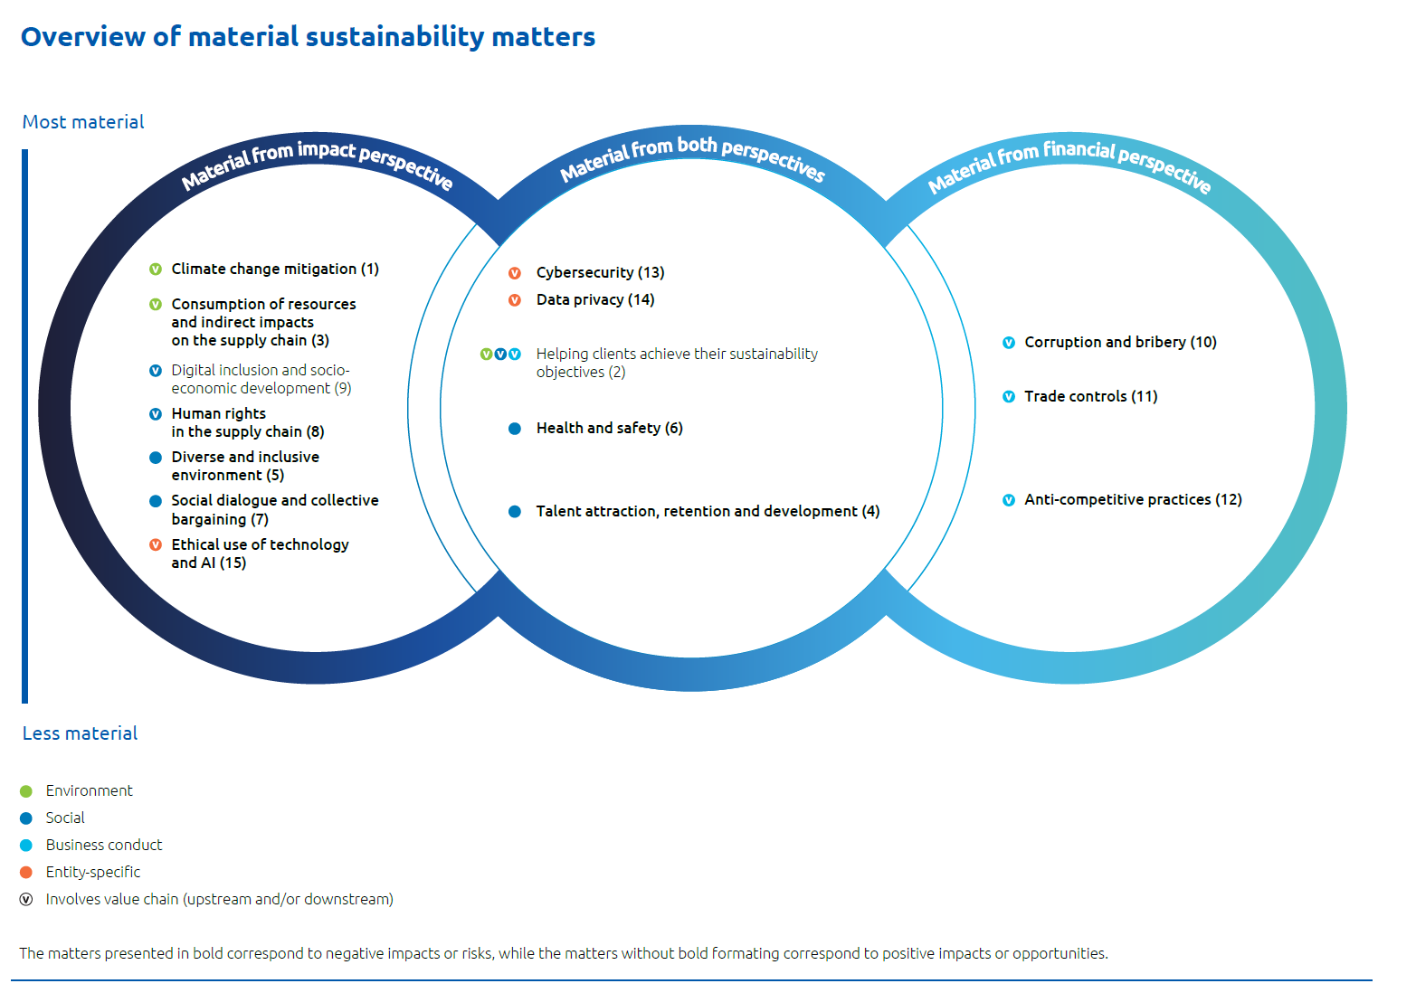

 |  |  |  |  |  |  |  | The numbering of sustainability matters corresponds to the order in which they appear in this Sustainability Statement. The Group identified an ESG matter generating impacts, risks, or opportunities not presented in the ESRS list: - Cybersecurity. An entity-specific topic was therefore created. This topic is of specific interest to report users (particularly investors) and is covered by ESG standards and questionnaires. It represents one of the main industry-specific matters for the Group. Previously reported under S4, this topic is now developed under Governance information for better alignment with market practices. - Data privacy is considered a closely related but different topic as it focuses on the protection of personal data of employees, end-users, and business partners (whereas cybersecurity focuses broadly on the sensitive data of legal entities, mainly clients). Data privacy is not an entity-specific topic, as it is attached to the sub-topic “privacy” within ESRS S1, S2, and S4. Previously reported under S4, this topic is now developed under "Governance information". In addition to disclosures related to material IROs not specifically covered by the ESRS such as cybersecurity, digital inclusion or ethical use of technology and AI, the Group has chosen to make additional disclosures, either to show progress against the Group’s specific targets or to provide additional relevant information for our sector, as expected by voluntary reporting standards such as SASB or by rating agencies such as S&P Global Corporate Sustainability Assessment (CSA), CDP or Bloomberg.

The value chain

Our value chain comprises actors both upstream and downstream as described below. The actors upstream, such as our business partners and our financial community stakeholders, provide us with products or services that are used by the Group's entities in the developing services delivered to our clients and their own customers or end-users (downstream actors). In our operations we also interact with public authorities and civil society.

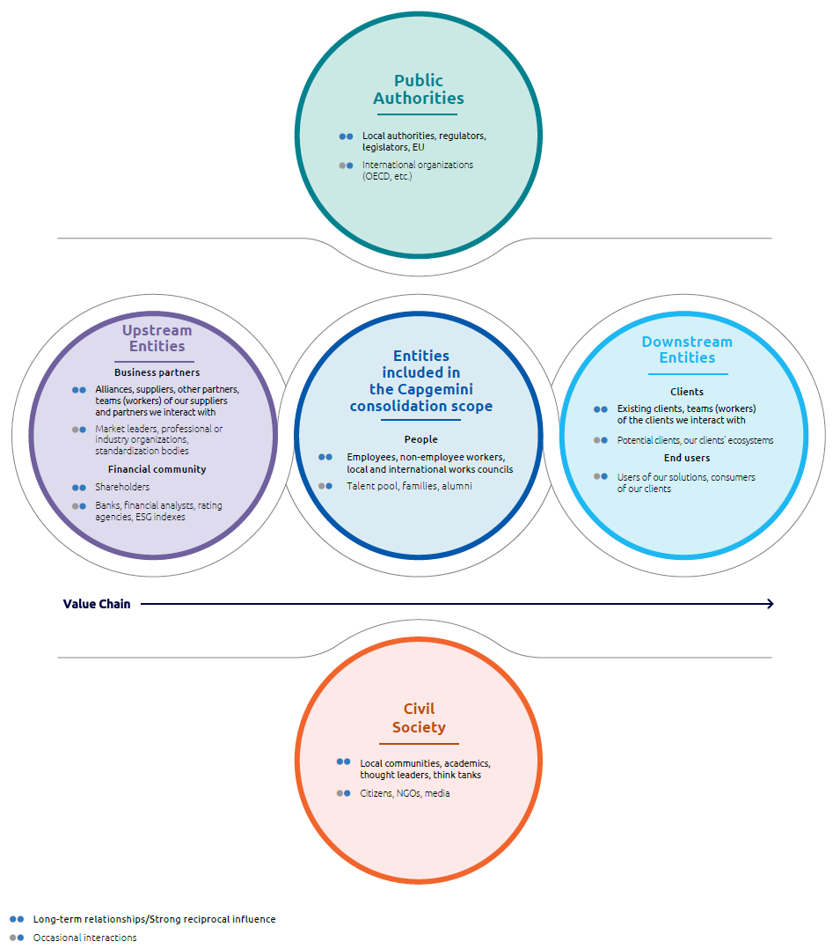

Capgemini’s success is built upon its ability to establish trusting relationships with the stakeholders in its value chain. We establish this communication with our stakeholders on three levels: at Group level, at the level of our local entities, but also at the level of each employee. Capgemini has defined and developed an ad hoc interaction method with players in each of the five categories comprising our value chain.

Our commitments to stakeholders as defined in our policies

Policies | Business Partners | Financial community | Employees | Non- Employees | Clients | End-users | Civil society | Public authorities
ESG Policy | √ | √ | √ | √ | √ |  | √ | √
Anti-corruption Policy | √ | √ | √ | √ | √ |  | √ | √
Code of Business Ethics | √ | √ | √ | √ | √ | √ | √ | √
Code of Ethics for AI | √ | √ | √ | √ | √ | √ | √ | √
Competition Laws Policy | √ | √ | √ |  | √ |  | √ | √
Conflict of Interest Policy | √ |  | √ | √ |  |  | √ | √
Data Protection Policy | √ | √ | √ | √ | √ | √ | √ | √
Employee Relations Policy | √ | √ | √ |  | √ |  | √ | √
Environmental Policy | √ | √ | √ | √ | √ |  | √ | √
Health & Safety Policy | √ | √ | √ | √ | √ |  | √ | √
Human Rights Policy | √ | √ | √ | √ | √ | √ | √ | √
Inclusion Policy | √ | √ | √ | √ | √ |  | √ | √
Supplier Standards of Conduct | √ | √ |  |  | √ |  | √ | √

Climate Change
Climate Change Mitigation and Adaptation

Capgemini has set targets to reach net zero by 2040, validated by the Science Based Targets initiative as being aligned with the Corporate Net Zero Standard. We continue to accelerate from ambition to action at speed, making strong progress both in decarbonizing our business and collaborating across our value chain to drive change and improvement. We have a commitment to become net zero by 2040. Our commitment is underpinned by a target to reduce our total Scope 1, 2, and 3 greenhouse gas emissions by 90% by 2040, compared to 2019. In the development of these targets, we analyzed all relevant emission sources, to ensure coverage was as complete as possible. Our near‑term 2030 targets cover 100% of our Scope 1 and 2 emissions and 98% of our Scope 3 emissions, whilst our 2040 targets cover 100% of all reported Scope 1, 2 and 3 GHG emissions. Whilst our primary focus is on actions to decarbonize our business, we are also investing in nature and climate tech solutions to abate and remove carbon from the atmosphere. We invest in projects that will generate high‑quality carbon credits (as defined by independent standards) and deliver wider social and environmental co‑benefits. We continue to accelerate from ambition to action at speed, making strong progress both in decarbonizing our business and collaborating across our value chain to drive change and improvement.

Further details
Our transition roadmap in 10-point plan

To reach our targets, we are taking a range of measures across the organization, and we have unfolded a 10‐point transition plan to address all areas needed to achieve net zero.

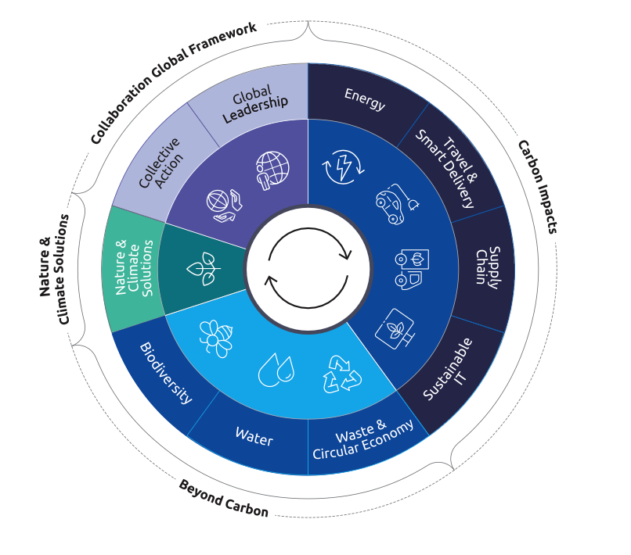

Climate change mitigation and adaptation performance

Environmental Management System

Scope | Colonne1 | Metric ID | Metrics | Unit | 2019 | 2021 | 2022 | 2023 | 2024 | 2025 | % change vs 2019 | % change vs 2024 | 2030 Target | 2040 Target
Capgemini group |  | ENVENVI007 | Operations covered by ISO 14001 - % of headcount covered (headcount at the end of the year) | % | 80.0% | 93.0% | 94.0% | 98.2% | 98.0% | 98.3% √ | 23% | 0.3% | - | -
Capgemini group |  | ENVENVI008 | Operations covered by ISO 14001 - % of sites covered (number of sites at the end of the year | % |  | 62.0% | 68.0% | 73.0% | 81.0% | 88.4% | - | 9% | - | -

Carbon emissions by scope
Scope |  | Metric ID | Metrics | Unit | 2019 | 2021 | 2022 | 2023 | 2024 | 2025 | % change vs 2019 | % change vs 2024 | 2030 Target | 2040 Target
Capgemini group |  | E1-3_03 | Achieved GHG emission reductions | tCO₂e | - | - | - | - | 393,251 | 472,336 | - | 20.1% | - | -
Scope 1 | Total Scope 1 | E1-6_07 | Total Scope 1 | tCO₂e | 13,293 | 10,613 | 8,065 | 8,830 | 7,893 | 6,661√ | -49.9% | -15.6% | - | -
Scope 2 | Total Scope 2 - Market based | E1-6_10 | Total Scope 2 | tCO₂e | 140,785 | 52,741 | 10,452 | 4,765 | 3,267 | 2,087√ | -98.5% | -36.1% | - | -
Scope 3 |  | ENVEMIS038 | 1. Purchased goods and services | tCO₂e | 305,718√ | 300,624 | 365,650 | 352,062 | 301,522 | 279,527√ | -8.6% √ | -7.3% | -50% absolute | -90% absolute
 |  | ENVEMIS039 | Sub category - Data Centers (Third party managed) | tCO₂e | 3,870 | 3,928 | 2,850 | 2,225 | 1,959 | 1,055 | -72.7% | -46.1% | - | -
 |  | E1-6_11a | 3 Fuel and energy-related Activities (not included in Scope1 or Scope 2) | tCO₂e | 23,370 | 10,021 | 10,798 | 12,350 | 11,188 | 10,478 | -55.2% | -6.3% | - | -
 |  | ENVEMIS036 | 5 - Waste generated in operations | tCO₂e | 459 | 724 | 263 | 197 | 135 | 107 | -76.7% | -20.7% | - | -
 |  | ENVEMIS004 | 6. Business Travel (incl. company car travel) | tCO₂e | 337,203 | 54,568 | 139,090 | 175,465 | 163,656 | 131,874√ | -60.9% | -19.4% | - | -
 |  | ENVEMIS040 | 7. Employee commuting (including working from home emissions) | tCO₂e | 310,722 | 161,240 | 201,849 | 240,812 | 250,638 | 228,480 | -26.5% | -8.8% | - | -
 | Total Scope 3 | E1-6_11 | Total Scope 3 | tCO₂e | 977,472 | 531,448 | 720,919 | 780,886 | 727,139 | 650,466√ | -33.5% | -10.5% | - | -90% absolute
Total emissions |  | E1-6_13 | Total emissions (market based) | tCO₂e | 1,131,550 | 595,267 | 739,748 | 794,481 | 738,299 | 659,214√ | -41.7% | -10.7% | - | -90% absolute
Location based | Total scope 2 | E1-6_09 | Total scope 2 location based | tCO₂e | 169,430 | 77,179 | 77,302 | 78,337 | 77,752 | 75,874 | -55.2% | -2.4% | - | -
 | Total emissions | E1-6_12 | Total emissions | tCO₂e | - | - | - | - | - | 733,001 |  |  | - | -
 |  | ENVEMIS020 | Operational Total emissions | tCO₂e | 831,663 | 294,643 | 374,098 | 444,959 | 439,053 | 381,069 | -54.2% | -13.2% | - | -
 |  | E1-7_10 | Carbon credits retired | tCO₂e |  |  | 20,883 | 236,191 | 314,312 | 381,069√ | - | 21.2% | - | -
Scope: Capgemini group.
√ Data identified in these tables by a √ has been reviewed by Forvis Mazars with a reasonable level of assurance.

Carbon intensity
Scope |  | Metric ID | Metrics | Unit | 2019 | 2021 | 2022 | 2023 | 2024 | 2025 | % change vs 2019 | % change vs 2024 | 2030 Target | 2040 Target
Capgemini group |  | ENVEMIS009 | Employee commuting emissions per headcount (average total headcount) | tCO₂e/ head | 1.08√ | 0.11 | 0.36 | 0.50 | 0.55 | 0.50√ | -53.4% √ | -9.1% | -55% per employee | -90% absolute
 |  | ENVEMIS005 | Business travel emissions per headcount (average total headcount) | tCO₂e/ head | 1.26√ | 0.18 | 0.40 | 0.50 | 0.48 | 0.38√ | -70.0% √ | -22.1% | -55% per employee | -90% absolute
 |  | ENVEMIS046 | Operational emissions per headcount (average total headcount) | tCO₂e/ head | 3.11 | 1.00 | 1.07 | 1.28 | 1.30 | 1.09 | -64.9% | -16.0% | - | -
 |  | ENVEMIS016 | Total emissions per headcount (average total headcount) | tCO₂e/ head | 4.23 | 2.01 | 2.11 | 2.28 | 2.19 | 1.89 | -55.4% | -13.6% | - | -
 |  | E1-6_31 | Total emissions per million euros of revenue | tCO₂e/€ | 80.11 | 32.78 | 33.63 | 35.28 | 33.41 | 29.34 | -63.4% | -12.2% | - | -
√ Data identified in these tables by a √ has been reviewed by Forvis Mazars with a reasonable level of assurance.

Detailed explanation: There have been no significant acquisitions, mergers or other major changes to the business that have required the recalculation of GHG emissions for previous years. The carbon footprint reported does not include the recently acquired WNS entity, which will be incorporated into next year’s reporting. - Scope 1 emissions relate to direct emissions from buildings or assets – for Capgemini this includes fuel consumption and fluorinated gas (F-gas) used in air conditioning units of the offices and data centers under the Company’s operational control. - Scope 2 emissions include emissions associated with the consumption of purchased electricity, heat, or cooling. The reduction in our Scope 2 emissions against the baseline year is the result of a significant increase in the use of renewable electricity. - Scope 3 emissions are indirect greenhouse gas emissions (not included in Scope 2) that occur in the value chain. We have assessed the relevance of all GHG Protocol Scope 3 categories and determined that relevant emission categories include 3.1 purchased goods and services, 3.3 fuel and energy-related activities (not included in Scope 1 or Scope 2) – for Capgemini in particular electricity transmission and distribution losses, 3.5 waste management, 3.6 business travel, 3.7 employee commuting (including working from home). Category 3.1 also includes a small portion of emissions associated with 3.2 capital goods and 3.4 upstream transportation and distribution as there is not always a satisfactory way of separating these emissions. Other Scope 3 categories have been evaluated according to the GHG Protocol criteria, focusing particularly on the size of emissions, the level of stakeholder interest and our ability to influence these emissions, and have been determined as not relevant. Over the last few years, Capgemini has transitioned from having a majority of leased data centers to having a majority of third party managed data centers which are now re

Carbon credits
Scope |  | Metric ID | Metrics | Unit | 2019 | 2021 | 2022 | 2023 | 2024 | 2025 | % change vs 2019 | % change vs 2024 | 2030 Target | 2040 Target
Capgemini group |  | E1-7_14 | Total removal | % | - | - | - | - | 20% | 25% | - | 24.8% | - | -
 |  | E1-7_13 | Total avoidance / reduction | % | - | - | - | - | 80% | 75% | - | -6.2% | - | -
 |  | E1-7_10 | Total | tCO₂e | - | - | 20,883 | 236,191 | 314,312 | 381,069√ | - | 21.2% | - | -
 |  | ENVEMIS050 | % of residual operational emissions for which carbon credits have been retired | % | - | - | - | - | - | 100% | - | - | 100% | -
 |  | ENVEMIS051 | % of residual total emissions for which carbon credits have been retired | % | - | - | - | - | - | 58% | - | - | 100% | -

Currently achieving a global net zero by 2050 requires nature and climate tech solutions for removing carbon from the atmosphere in addition to global decarbonization efforts, and the voluntary carbon market offers a mechanism to fund the investment in solutions that are needed. Whilst our primary focus is on actions to decarbonize our business, with a target to reduce our carbon emissions by 90% in absolute terms across all scopes by 2040, we are also investing in nature and climate tech solutions to abate and remove carbon from the atmosphere. Whilst there are a number of different perspectives on the role of carbon credits, our approach is broadly aligned to the view that carbon removal credits can be used when a company has met its long-term reduction target, to mitigate the final percentage of emissions which cannot be abated and move towards net zero. However, we also believe that long-term corporate objectives are not sufficiently addressing the high concentration levels of CO₂ and other greenhouse gases already in, and continuing to enter, the atmosphere today. For these reasons, in addition to reducing our emissions as set out in our carbon reduction targets, we will retire carbon credits on a ton-for-ton basis against the residual carbon emissions, associated with our direct operations from 2025 and against the residual emissions including our supply chain from 2030. We do not make any public claims about GHG neutrality.

Energy
Scope |  | Metric ID | Metrics | Unit | 2019 | 2021 | 2022 | 2023 | 2024 | 2025 | % change vs 2019 | % change vs 2024 | 2030 Target | 2040 Target
Offices | (leased and owned) | ENVENER009 | Total Office Energy Use | MWh | 327,347 | 193,569 | 203,871 | 195,438 | 190,316 | 185,223 | -43% | -3% | - | -
 |  | ENVENER010 | Office energy use - % Electricity from renewables | % | 28.1% | 49.5% | 88.2% | 95.8% | 98.0% | 100% |  |  | - | -
 |  | ENVENER011 | Office energy usage - Office energy usage per area | MWh/m² | 0.139 | 0.083 | 0.093 | 0.091 | 0.094 | 0.093 | -33% | 0% | - | -
Data centers | (leased and owned) | ENVENER016 | Total Data Center (Leased) Energy Use | MWh | 9,769 | 7,258 | 5,818 | 5,584 | 5,168 | 3,704 | -62% | -28% | - | -
 |  | ENVENER017 | Data centers (Leased) energy use - % Electricity from renewables | % | 36.8% | 54.0% | 100% | 100% | 100% | 100% |  |  | - | -
Total |  | E1-5_01 | Total energy consumption related to own operations | MWh | 337,116 | 196,655 | 205,920 | 201,022 | 195,483 | 188,927√ | -44% | -3% |  | -
Data Center | (Third party managed) | ENVENER022 | Total Energy Use- Data centers (Third party managed) | MWh | 83,736 | 68,089 | 55,593 | 41,525 | 41,734 | 28,938 | -65% | -31% | - | -
 |  | ENVENER023 | Data centers (Third party managed) energy use - % of electricity from renewables | % | 68.6% | 70.5% | 80.7% | 86.6% | 88.0% | 91.7% |  |  | - | -
Scope: Capgemini group.
√ Data identified in these tables by a √ has been reviewed by Forvis Mazars with a reasonable level of assurance.

Detailed explanations: — Energy for all our leased and owned offices is included above, with the exception of a few small, serviced offices and co-working spaces which are reported within the category Scope 3.1 purchased goods and services. — In the last few years, most of our data centers have transitioned from being leased or owned to being third-party managed. For increased transparency, we report the energy consumption associated with third-party data centers in the last two rows of the table. However, to ensure alignment with the GHG Protocol and RE100, these are not included in the total energy consumption figures or any of the other tables in this section.

Electricity
Scope |  | Metric ID | Metrics | Unit | 2019 | 2021 | 2022 | 2023 | 2024 | 2025 | % change vs 2019 | % change vs 2024 | 2030 Target | 2040 Target
Capgemini group |  | ENVENER025 | % of electricity from renewables | % | 28.3% | 49.9% | 88.3% | 95.9% | 98.0% | 100% √ | 253% | 2% | 100% | 100%
 |  | ENVENER027 | Average Power Usage Effectiveness - Data centers | # | 1.75 | 1.62 | 1.61 | 1.59 | 1.55 | 1.50 | -14% | -3% | - | -
 |  | ENVEMIS047 | % of electricity in MWh obtained through renewable PPA | % | - |  |  |  | 21.4% | 23.3% | - |  | - | -
 |  | ENVEMIS048 | % of electricity in MWh obtained through renewable contracts bundled with energy attribute certificates | % | - |  |  |  | 24.8% | 28.8% | - |  | - | -
 |  | ENVEMIS049 | % of electricity in MWh associated with unbundled renewable energy attribute certificates | % | - |  |  |  | 43.9% | 40.2% | - |  | - | -
 |  | ENVEMIS032a | Electric vehicles (excluding electric plug-in hybrids) |  |  |  |  |  | 23.4% | 28.1% | - |  | 100% | 100%
 |  | ENVEMIS032 | Electric vehicles (including electric plug-in hybrids) | % |  |  | 24.0% | 34.0% | 64.6% | 75.6% | - |  | - | -
√ Data identified in these tables by a √ has been reviewed by Forvis Mazars with a reasonable level of assurance.

Detailed explanation: Data Center Power Usage Effectiveness (PUE) is a standard industry measure of how energy efficient a data center is. It compares the amount of non-computing overhead energy (used for things like cooling and power distribution) to the amount of energy used to power IT equipment. To help us track the energy efficiency of the data centers we use, we calculate a weighted average of the PUE of leased and owned data centers (with the weighting based on the total energy consumption of each data center). Across the Group we have four main methods for sourcing renewable electricity: 1) renewable self-generation (8% of total electricity consumption) – this is mostly in India, where we own several buildings and have the capacity to install solar photovoltaics; 2) renewable Power Purchase Agreements (23.3% of total electricity consumption) – only in place India, where our volume is sufficiently high to make PPAs an option; 3) renewable tariffs, with energy attribute certificates bundled as part of contract (28.8% of total electricity consumption) – these are in place in the Netherlands and with energy attribute certificates including Guarantee of Origin (GoO) certificates; and 4) unbundled energy attribute certificates are in place for all other countries (40.2% of total electricity consumption), with the main instruments used including GoO, REGO, LGC, NZEC and IREC.

Energy consumption from non-renewable and renewable sources
Scope |  | Metric ID | Metrics | Unit | 2019 | 2021 | 2022 | 2023 | 2024 | 2025 | % change vs 2019 | % change vs 2024 | 2030 Target | 2040 Target
Capgemini group |  | E1-5_02 a | a. LPG, diesel and gas oil (crude oil and petroleum products) | MWh | 14,899 | 4,189 | 4,796 | 4,845 | 5,869 | 5,390 | -64% | -8% | - | -
 |  | E1-5_02 b | b. Natural gas | MWh | 21,282 | 13,741 | 13,496 | 11,524 | 9,290 | 9,813 | -54% | 6% | - | -
 |  | E1-5_02 c | c. Purchased electricity from fossil sources | MWh | 208,433 | 82,056 | 20,027 | 6,975 | 2,579 | 0 | -100% | -100% | - | -
 |  | E1-5_02 d | d. Purchased heating from non-renewable sources | MWh | 7,523 | 11,012 | 12,642 | 11,048 | 11,941 | 11,800 | 57% | -1% | - | -
 |  | E1-5_02 e | e. Purchased cooling from non-renewable sources | MWh | 2,498 | 1,174 | 1,438 | 1,591 | 1,590 | 2,295 | -8% | 44% | - | -
 |  | E1-5_02 | Total energy consumption from fossil sources | MWh | 254,635 | 112,172 | 52,398 | 35,982 | 31,270 | 29,298 | -88% | -6% | - | -
 |  | E1-5_03 | Total energy consumption from nuclear sources | MWh |  |  |  |  | 0 | 0 |  |  | - | -
 |  | E1-5_06 | a. Fuel consumption for renewable sources including biomass, biogas | MWh |  |  |  | 2,396 | 2,039 | 2,377 | - | 17% | - | -
 |  | E1-5_07 | b. Purchased electricity from renewable sources | MWh | 74,742 |  |  | 148,741 | 148,504 | 145,083 | 94% | -2% | - | -
 |  | E1-5_08 | c. Consumption of self-generated renewable electricity | MWh | 7,739 |  |  | 13,904 | 13,670 | 12,169 | 57% | -11% | - | -
 |  | E1-5_05 | Total energy consumption from renewable sources | MWh | 82,481 | 84,502 | 153,533 | 165,041 | 164,213 | 159,629 | 94% | -3% | - | -
 |  | ENVENER025 | % of electricity from renewable sources | % | 28.3% | 49.9% | 88.3% | 95.9% | 98.0% | 100% √ |  |  | 100% | 100%
 |  | E1-5_09 | % of renewable sources in total energy consumption | % | 24.5% | 41.6% | 73.5% | 82.1% | 84.0% | 84.5% |  |  | - | -
√ Data identified in these tables by a √ has been reviewed by Forvis Mazars with a reasonable level of assurance.

Detailed explanation: — Purchased electricity from fossil sources is based on our purchases of electricity on standard utility contracts, where there is no specified breakdown of the source of electricity and no energy attribute certificates are purchased. This was 0 for 2025. — Purchased electricity from renewable sources includes all renewable electricity purchased through power purchase agreements, renewable electricity tariffs or through energy attribute certificates. — Consumption of self-generated renewable electricity refers to electricity that is generated at our sites (from solar photovoltaic panels) and then consumed directly at those sites.

Energy consumption from non-renewable and renewable sources
Scope |  | Metric ID | Metrics | Unit | 2019 | 2021 | 2022 | 2023 | 2024 | 2025 | % change vs 2019 | % change vs 2024 | 2030 Target | 2040 Target
Capgemini group |  | E1-5_16 | Non-renewable electricity production | MWh | 2,397 | - | - | 958 | 1,044 | 996 | -58% | -5% | - | -
 |  | E1-5_17 | Renewable electricity production | MWh | - | - | - | - | 14,326 | 13,492 | - | -6% | - | -

Detailed explanation: - Non-renewable electricity production is largely electricity generated by diesel generators and used primarily as a source of back-up in the case of power outages. - Renewable electricity production is renewable electricity generated from on-site solar panels. The majority of this is used on site, but a small portion (634 MWh in 2025) is exported to the grid and used locally, as it is generated during weekends and holidays when we generate more than we can use. Another portion (689 MWh in 2025) is used to charge EVs in Indian offices. This is the reason the figure is higher in this table than the previous table on self-generated renewable electricity.

Key Documents

 |  | Environmental Policy |  |  |  | Five years on the road to net zero

 |  | Universal registration document FY25

Own Workforce
Headcount
Recruitment, promotion
People engagement
Training and skills development
Inclusion
Health & Safety
Social dialogue & collective bargaining
HC RoI
Key documents
Own Workforce (Human capital)

As a people‐oriented business, we tackle the challenges of today and tomorrow in a demanding environment, working closely with our clients to build the future they want. This requires a constant refresh of our collective capabilities and we do so by leveraging the expertise, creativity, and commitment of all our people. We believe everyone joining Capgemini is a talent in the making. Through offering individualized learning paths, appropriate guidance, and coaching, as well as fostering a positive and healthy work environment, we build an inclusive culture where every form of diverse talent thrives. Capgemini’s purpose acts as a compass to our employees to be inspired and engaged in pursuing the common goal of making an impact in the world. This is further translated through our brand promise “Make it real”. We are convinced that our human capital is a key asset to thrive in our Industry. As we navigate in a competitive talent market, with economic uncertainties, we aim to attract, retain and develop top talents and leaders. Our HR strategy is underpinned by 3 key pillars, designed to support Capgemini’s growth ambition: — build organizational resilience through agile skills growth at scale — develop strong leadership pipelines — foster a flexible, diverse, and engaged workforce: provide a best‑in‑class personalized People Experience to foster a strong sense of belonging and enhance engagement, well‑being and productivity. We also embed sustainability in our people agenda and support our talents, our leaders and our HR teams to increase their awareness, knowledge and skills on the matter. We aim to create a unified people experience through the ‘moments that matter’ for our people. Our Talent strategy supports Capgemini’s business growth in four major areas: 1) Attracting and retaining World-Class Talent 2) Building workforce agility and skills; 3) Building strong and future-ready pools of leaders; and 4) Building a flexible, engaged, mobile and high performingw

Talent attraction, retention & engagement

The Capgemini brand is a key asset for attracting top talent in the market. Over the last two years we have gradually returned to pre-Covid levels within a range of 60 to 80,000 hires per year, along with a decrease in attrition closer to the usual range for our industry. The hiring gender balance ratio is 41.9% women among newcomers. Capgemini is dedicated to fostering a flexible, engaged, and high-performing workforce by prioritizing a best-in-class People Experience throughout every stage of the candidate and employee journey. Guided by our “Promote First, Hire Second” philosophy, we champion internal mobility and career advancement, ensuring that employees with demonstrated potential are given precedence for new opportunities. In 2025, we introduced our Career Enablement strategy, designed to unlock internal career pathways, strengthen talent retention, and balance external hiring with building cross-enterprise experience. Transparent career paths across our diverse set of Professional Groups and clear eligibility criteria empower people to envision long-term futures within Capgemini, driving motivation and aligning individual aspirations with business priorities. At the same time, Capgemini’s global performance management system, GetSUCCESS, underpins this commitment as a key driver of workforce development.

Geographical breakdown of the headcount
Scope |  | Metric ID | Metric | Unit | 2019 | 2021 | 2022 | 2023 | 2024 | 2025 | % change vs 2019 | % change vs 2024 | 2030 Target | 2040 Target
Capgemini group |  | S1-6_06 | Average number of employees (1) | # | - | - | - | 349,793 | 337,813 | 348,763 | - | 3% | -
 |  | SBM-1_03 | Headcount at December 31st | # | 219,314 | 324,684 | 359,567 | 340,443 | 341,118 | 355189 √ | 62% | 4% | -
 |  | S1-7_01 | Non-employees in own workforce at December 31st | # | - | - | - | - | 8,728 | 11,883 | - | 36% | -
Europe, Middle East & Africa |  | S1-6_06 | Average number of employees (1) | # | - | - | - | 130,329 | 127,547 | 125,118 | - | -2% | -
including France |  | S1-6_06 | Average number of employees (1) | # | - | - | - | 39,161 | 37,724 | 35,952 | - | -5% | -
Asia-Pacific |  | S1-6_06 | Average number of employees (1) | # | - | - | - | 188,794 | 180,860 | 192,895 | - | 7% | -
including India |  | S1-6_06 | Average number of employees (1) | # | - | - | - | 177,089 | 170,126 | 182,036 | - | 7% | -
Americas |  | S1-6_06 | Average number of employees (1) | # | - | - | - | 30,670 | 29,406 | 30,750 | - | 5% | -
(1) In countries with 50 or more employees representing at least 10% of total number of employees √ Data identified in these tables by a √ has been reviewed by Forvis Mazars with a reasonable level of assurance.

Seniority distribution
Distribution |  | Metric ID | Metric | Unit | 2019 | 2021 | 2022 | 2023 | 2024 | 2025 | % change vs 2019 | % change vs 2024 | 2030 Target | 2040 Target
<3 years |  | SOCWORK002 | Average seniority distribution | % | 56.8% | 63.4% | 68.9% | 65.4% | 54.6% | 45.6% | -19.7% | -16% | - | -
>=3 <5 years |  | SOCWORK002 | Average seniority distribution | % | 15.4% | 13.3% | 10.9% | 10.7% | 19.5% | 28.8% | 87.0% | 48% | - | -
>=5 <10 years |  | SOCWORK002 | Average seniority distribution | % | 14.6% | 13.2% | 10.0% | 12.4% | 14.2% | 13.6% | -6.8% | -4% | - | -
>=10 years |  | SOCWORK002 | Average seniority distribution | % | 13.2% | 10.1% | 10.2% | 11.5% | 11.7% | 12.0% | -9.1% | 3% | - | -
Scope: Capgemini group.

Age distribution
Distribution |  | Metric ID | Metric | Unit | 2019 | 2021 | 2022 | 2023 | 2024 | 2025 | % change vs 2019 | % change vs 2024 | 2030 Target | 2040 Target
<30 years old |  | S1-9_03 | Average age distribution | % | - | - | - | 41.6% | 39.5% | 38.0% | - | -4% | -
>=30 <50 years old |  | S1-9_04 | Average age distribution | % | - | - | - | 50.0% | 51.7% | 52.9% | - | 2% | -
>=50 years old |  | S1-9_05 | Average age distribution | % | - | - | - | 8.4% | 8.8% | 9.1% | - | 3% | -
Scope: Capgemini group. Data coverage on 99.9% of year end headcount.

Gender distribution by region
Scope | Gender | Metric ID | Metric | Unit | 2019 | 2021 | 2022 | 2023 | 2024 | 2025 | % change vs 2019 | % change vs 2024 | 2030 Target | 2040 Target
Capgemini | Men | SOCDIVE004 | % of headcount | % | - | 64.2% | 62.2% | 61.2% | 60.3% | 59.5% | - | -1% | -
 | Women | SOCDIVE004 | % of headcount | % | - | 35.8% | 37.8% | 38.8% | 39.7% | 40.5% √ | - | 2% | >=40% | -
Capgemini | Men | S1-6_01 | Headcount distribution by gender | # | - | - | - | - | 205,259 | 211,168 | - | 3% | -
 | Women | S1-6_01 | Headcount distribution by gender | # | - | - | - | - | 135,237 | 143,922 | - | 6% | -
France | Men | S1-6_05 | Headcount distribution by gender | # | - | - | - | - | 24719 | 23,533 | - | -5% | -
 | Women | S1-6_05 | Headcount distribution by gender | # | - | - | - | - | 12158 | 11,716 | - | -4% | -
India | Men | S1-6_05 | Headcount distribution by gender | # | - | - | - | - | 96180 | 102,924 | - | 7% | -
 | Women | S1-6_05 | Headcount distribution by gender | # | - | - | - | - | 77686 | 85,131 | - | 10% | -
Scope: Capgemini Group. Data coverage over 99.9% of year end headcount
√ Data identified in these tables by a √ has been reviewed by Forvis Mazars with a reasonable level of assurance.

Headcount distribution by nationalities (headcount at the end of the year)
Nationalities | Scope | Metric ID | Metric | Unit | 2019 | 2021 | 2022 | 2023 | 2024 | 2025 | % change vs 2019 | % change vs 2024 | 2030 Target | 2040 Target
Indian | All | SOCDIVE013 | Nationalities breakdown | % | - | - | 67.9% | 66.0% | 66.5% | 68.8% | - | 3% | -
French | All | SOCDIVE013 | Nationalities breakdown | % | - | - | 11.4% | 11.6% | 11.2% | 10.2% | - | -9% | -
Polish | All | SOCDIVE013 | Nationalities breakdown | % | - | - | 3.8% | 3.9% | 3.8% | 3.5% | - | -8% | -
Spanish | All | SOCDIVE013 | Nationalities breakdown | % | - | - | 3.6% | 3.8% | 3.8% | 3.7% | - | -3% | -
American | All | SOCDIVE013 | Nationalities breakdown | % | - | - | 3.5% | 3.4% | 3.3% | 3.1% | - | -6% | -
British | All | SOCDIVE013 | Nationalities breakdown | % | - | - | 3.1% | 3.7% | 4.1% | 3.8% | - | -7% | -
German | All | SOCDIVE013 | Nationalities breakdown | % | - | - | 3.0% | 3.4% | 3.3% | 3.1% | - | -6% | -
Other nationalities | All | SOCDIVE013 | Nationalities breakdown | % | - | - | 3.8% | 4.3% | 4.0% | 3.8% | - | -5% | -
Indian | Management | SOCDIVE013 | Nationalities breakdown | % | - | - | 64.2% | 63.6% | 64.0% | 65.6% | - | 2% | -
French | Management | SOCDIVE013 | Nationalities breakdown | % | - | - | 13.4% | 13.4% | 12.8% | 11.8% | - | -7% | -
Polish | Management | SOCDIVE013 | Nationalities breakdown | % | - | - | 2.0% | 2.2% | 2.3% | 2.4% | - | 4% | -
Spanish | Management | SOCDIVE013 | Nationalities breakdown | % | - | - | 3.2% | 3.3% | 3.5% | 3.3% | - | -5% | -
American | Management | SOCDIVE013 | Nationalities breakdown | % | - | - | 5.7% | 5.3% | 5.0% | 4.8% | - | -5% | -
British | Management | SOCDIVE013 | Nationalities breakdown | % | - | - | 4.7% | 4.9% | 5.3% | 4.9% | - | -8% | -
German | Management | SOCDIVE013 | Nationalities breakdown | % | - | - | 4.4% | 4.8% | 4.8% | 4.6% | - | -4% | -
Other nationalities | Management | SOCDIVE013 | Nationalities breakdown | % | - | - | 2.4% | 2.6% | 2.3% | 2.6% | - | 12% | -
Scope: 7 largest countries representing 81.1% of total headcount at December 31st, 2025.

Additional information
 |  | Metric ID | Metric | Unit | 2019 | 2021 | 2022 | 2023 | 2024 | 2025 | % change vs 2019 | % change vs 2024 | 2030 Target | 2040 Target
People working part-time |  | S1-6_20 | % of headcount (at December 31st) working part time | % |  | 2.7% | 1.9% | 2.0% | 2.0% | 1.9% | - | -8% | -
Temporary employees |  | S1-6_09-B | Number of temporary employees (total at December 31st) | # |  | - | - | - | 4571 | 4,025 | - | -12% | -
 |  | S1-6_09-B | Number of women (temporary employees at December 31st) | # |  | - | - | - | 2794 | 1,658 | - | -41%
 |  | S1-6_09-B | Number of men (temporary employees at December 31st) | # |  | - | - | - | 1777 | 2,367 | - | 33%
Non-guaranteed hours employees |  | S1-6_09-C | Number of non-garanteed hours employees (total at December 31st) | # |  | - | - | - | 0 | 0 | - | -
Foreign nationals |  | SOCWORK005 | % of headcount (at December 31st) requiring an employment visa for work | % |  | 5.5% | 5.8% | 7.5% | 5.2% | 6.0% | - | 15% | -
Scope: The coverage for this table is above 99.9% for gender, permanent vs. temporary, and part-time distribution.

Recruitment, promotion & retention
Hiring
Distribution |  | Metric ID | Metric | Unit | 2019 | 2021 | 2022 | 2023 | 2024 | 2025 | % change vs 2019 | % change vs 2024 | 2030 Target | 2040 Target
External hires |  | SOCRECR003 | Headcount at December 31st, who have joined Capgemini following a usual recruitment process during the FY | # | - | 139,594 | 140,789 | 61,182 | 69,354 | 78,727√ | - | 14% | -
By age | <30 years old | SOCRECR010 | % of headcounts hired | % | - | - | 62.1% | 59.6% | 62.0% | 61.0% | - | -2% | -
 | >=30 <50 years old | SOCRECR010 | % of headcounts hired | % | - | - | 35.2% | 37.2% | 35.3% | 36.2% | - | 3% | -
 | >50 years old | SOCRECR010 | % of headcounts hired | % | - | - | 2.7% | 3.2% | 2.7% | 2.8% | - | 4% | -
By gender | % of Women | SOCRECR011 | % of headcounts hired | % | - | - | 39.6% | 40.4% | 42.7% | 41.9% | - | -2% | -
 | % of men | SOCRECR011 | % of headcounts hired | % | - | - | 60.4% | 59.6% | 57.3% | 58.1% | - | 1% | -
By region | Asia-Pacific | SOCRECR012 | % of headcounts hired | % | - | - | - | 48.6% | 63.2% | 67.7% | - | 7% | -
 | EMEA | SOCRECR012 | % of headcounts hired | % | - | - | - | 43.3% | 28.8% | 23.0% | - | -20% | -
 | Americas | SOCRECR012 | % of headcounts hired | % | - | - | - | 8.1% | 8.0% | 9.3% | - | 16% | -
By management level | A & B | SOCRECR013 | % of headcounts hired | % | - | - | 74.7% | 73.7% | 71.8% | 70.9% | - | -1% | -
 | C | SOCRECR013 | % of headcounts hired | % | - | - | 19.7% | 20.7% | 23.2% | 23.4% | - | 1% | -
 | D, E & F | SOCRECR013 | % of headcounts hired | % | - | - | 5.6% | 5.6% | 5.0% | 5.8% | - | 16% | -
Hires through acquisitions |  | SOCRECR004 | Headcount at December 31st, who have joined Capgemini due to acquisitions | # | - | 1,005 | 1,836 | 1,472 | 1,262 | 70,140 | - | 5,458% | -
Cost per employee |  | SOCRECR014 | Average hiring cost per employee | € | - | - | - | - | - | 824 | - | - | -
Scope: Capgemini group. √ Data identified in these tables by a √ has been reviewed by Forvis Mazars with a reasonable level of assurance.

Attrition
 |  | Metric ID | Metric | Unit | 2019 | 2021 | 2022 | 2023 | 2024 | 2025 | % change vs 2019 | % change vs 2024 | 2030 Target | 2040 Target
Headcount voluntary attrition rate |  | SOCRECR002 | % of annual average headcount voluntary attrition | % | 20.0% | 23.5% | 25.5% | 16.7% | 15.7% | 15.0% √ | -25% | -4% | -
Total attrition rate |  | S1-6_12 | % of annual average headcount total attrition | % | 25.9% | 28.4% | 30.8% | 23.1% | 20.5% | 19.5% | -25% | -5% | -
Attrition rate by gender | Men | S1-6_12 | % of total attrition among headcounts | % | - | - | 31.4% | 21.6% | 21.1% | 20.3% | - | -4% | -
 | Women | S1-6_12 | % of total attrition among headcounts | % | - | - | 26.6% | 24.3% | 19.7% | 18.6% | - | -6% | -
Attrition rate by region | Asia-Pacific | S1-6_12 | % of total attrition among headcounts | % | - | - | - | - | 22.5% | 21.3% | - | -5% | -
 | EMEA | S1-6_12 | % of total attrition among headcounts | % | - | - | - | - | 17.9% | 16.1% | - | -10% | -
 | Americas | S1-6_12 | % of total attrition among headcounts | % | - | - | - | - | 19.6% | 21.8% | - | 11% | -
Attrition rate by management level | A & B | S1-6_12 | % of total attrition among headcounts | % | - | - | 31.7% | 25.6% | 23.4% | 22.3% | - | -5% | -
 | C | S1-6_12 | % of total attrition among headcounts | % | - | - | 27.9% | 20.0% | 17.8% | 17.1% | - | -4% | -
 | D, E & F | S1-6_12 | % of total attrition among headcounts | % | - | - | 16.0% | 14.8% | 12.8% | 12.8% | - | 0% | -
Attrition rate by age | <30 years old | S1-6_12 | % of total attrition among headcounts | % | - | - | 31.8% | 26.1% | 24.7% | 24.2% | - | -2% | -
 | >=30 <50 years old | S1-6_12 | % of total attrition among headcounts | % | - | - | 28.4% | 21.5% | 18.6% | 17.4% | - | -6% | -
 | >50 years old | S1-6_12 | % of total attrition among headcounts | % | - | - | 16.4% | 15.8% | 13.1% | 13.2% | - | 1% | -
Scope: Capgemini group. √ Data identified in these tables by a √ has been reviewed by Forvis Mazars with a reasonable level of assurance.

People engagement and attractiveness
Talent engagement
 | Gender | Metric ID | Metric | Unit | 2019 | 2021 | 2022 | 2023 | 2024 | 2025 | % change vs 2019 | % change vs 2024 | 2030 Target | 2040 Target
Group engagement score | All | SOCPEOP002 | Aggregate average Engagement Score by gender (from 0 to 10) | score | - | 8.0 | 8.0 | 7.9 | 7.7 | 7.7 | - | 0% | -
 | Men | SOCPEOP002 | Aggregate average Engagement Score by gender (from 0 to 10) | score | - | 7.9 | 8.0 | 7.9 | 7.7 | 7.6 | - | -1% | -
 | Women | SOCPEOP002 | Aggregate average Engagement Score by gender (from 0 to 10) | score | - | 8.0 | 8.1 | 7.9 | 7.7 | 7.7 | - | 0% | -
Group eNPS (employee Net Promoter Score) |  | SOCPEOP004 | Employee Net Promoter Score - Group eNPS (% of promoters (score: 9-10) less % of detractors (0-6)) | score | - | 35 | 39 | 33 | 27 | 27 | - | 0% | -
Pulse participation rate |  | SOCPEOP001 | Aggregate full year employee participation rate in Pulse (in %) | % | - | 66% | 58% | 75% | 71% | 64% | - | -10% | -
Actively engaged employees |  | SOCPEOP003 | % of the workforce with Engagement Score 7-10 | % | - | 83% | 85% | 82% | 82% | 79% | - | -4% | -
Scope: Capgemini group.

Training and skills development

Capgemini is committed to equipping its workforce with the advanced skills and capabilities necessary to deliver value both today and in the future. We offer world-class, people-centric, and transformative learning opportunities, ensuring that all employees (from graduates to senior leaders) have access to the rightlearning, in the right format, at the right time. This approach enables our people to thrive in an ever-evolving digital landscape. Our dedication to continuous development encompasses human skills, industry expertise, sustainability, and advanced technology, with a particular focus on artificial intelligence, generative AI, and Agentic AI. Through these initiatives, Capgemini ensures that teams remain efficient, innovative, and market-leading, consistently delivering superior outcomes for clients and supporting the long-term success of the organization. In 2025, we continued to demonstrate our commitment to continuous learning to all Capgemini employees, delivering learning at scale across the organization: Capgemini’s emphasis on hands-on, practical learning empowers employees to translate their potential into measurable business outcomes, while simultaneously fostering sustainable, long-term employability both within the organization and beyond.

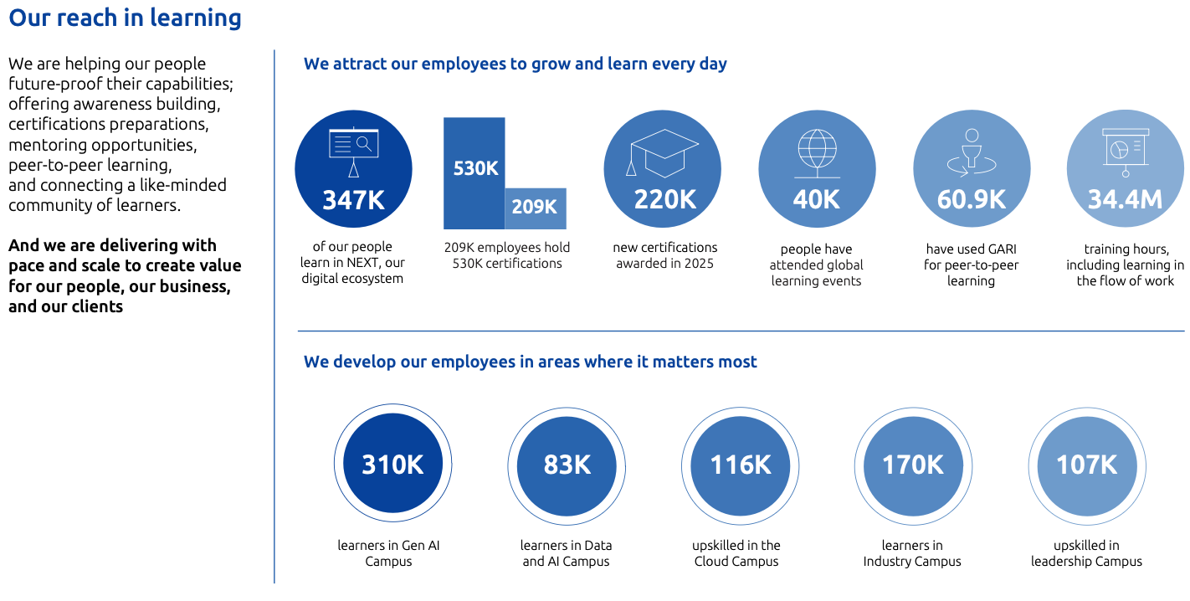

Learning & Development performance
 | Scope | Metric ID | Metric | Unit | 2019 | 2021 | 2022 | 2023 | 2024 | 2025 | % change vs 2019 | % change vs 2024 | 2030 Target | 2040 Target
Performance reviews | Capgemini group | S1-13_02 | % of employees having participated in regular performance and career development reviews | % | - | - | - | - | 91.9% | 96.9% | - | 5% | - | -
 | EMEA | S1-13_02 | % of employees having participated in regular performance and career development reviews | % | - | - | - | - | 94.5% | 94.4% | - | 0% | - | -
 | Asia-Pacific | S1-13_02 | % of employees having participated in regular performance and career development reviews | % | - | - | - | - | 89.3% | 99.3% | - | 11% | - | -
 | Americas | S1-13_02 | % of employees having participated in regular performance and career development reviews | % | - | - | - | - | 97.4% | 91.9% | - | -6% | - | -
 | Men | S1-13_02 | % of employees having participated in regular performance and career development reviews | % | - | - | - | - | 94.2% | 96.9% | - | 3% | - | -
 | Women | S1-13_02 | % of employees having participated in regular performance and career development reviews | % | - | - | - | - | 88.6% | 97.0% | - | 9% | - | -
Learning hours | Capgemini group | SOCSKIL010 | Total number of learnings hours, including in the flow of work | M hours | - | - | - | 22.0 | 27.7 | 34.40 | - | 24% | - | -
 |  | SOCSKIL011 | Average Completed Learning Hours per headcount, including learning in the flow of work | Hours | - | - | - | 66.5 | 81.30 | 97.20√ | - | 20% | >=70 | -
Learning hours by gender | Men | SOCSKIL011 | Average number of learning hours per employee | Hours | - | - | - | - | 74.20 | 83.70 | - | 13% | - | -
 | Women | SOCSKIL011 | Average number of learning hours per employee | Hours | - | - | - | - | 93.00 | 117.30 | - | 26% | - | -
Learning hours by grade | A & B | SOCSKIL011 | Average number of learning hours per employee | Hours | - | - | - | - | 101.50 | 124.90 | - | 23% | - | -
 | C | SOCSKIL011 | Average number of learning hours per employee | Hours | - | - | - | - | 56.00 | 63.40 | - | 13% | - | -
 | D, E & F | SOCSKIL011 | Average number of learning hours per employee | Hours | - | - | - | - | 48.10 | 49.90 | - | 4% | - | -
Learning hours by age | <30 years old | SOCSKIL011 | Average number of learning hours per employee | Hours | - | - | - | - | 120.30 | 148.50 | - | 23% | - | -
 | >=30 <50 years old | SOCSKIL011 | Average number of learning hours per employee | Hours | - | - | - | - | 58.90 | 68.50 | - | 16% | - | -
 | >50 years old | SOCSKIL011 | Average number of learning hours per employee | Hours | - | - | - | - | 41.80 | 49.60 | - | 19% | - | -
Learning hours by region | EMEA | SOCSKIL011 | Average number of learning hours per employee | Hours | - | - | - | - | 46.50 | 56.60 | - | 22% | - | -
 | Asia-Pacific | SOCSKIL011 | Average number of learning hours per employee | Hours | - | - | - | - | 106.90 | 126.70 | - | 19% | - | -
 | Americas | SOCSKIL011 | Average number of learning hours per employee | Hours | - | - | - | - | 62.40 | 71.40 | - | 14% | - | -
Scope: Capgemini group. The metric published as part of our 2030 target has been revised for full alignment with the definition in the ESRS standards and covers all headcount within the Group at the end of the year, whereas our previous target published in our 2021 ESG Policy covered all active learners trained within Capgemini at the end of the year. √ Data identified in these tables by a √ has been reviewed by Forvis Mazars with a reasonable level of assurance.

Inclusion

We recognize that countries must operate within their local regulatory/legal framework. The objectives for 2026 are set at a Group level and will accelerate our inclusion efforts. It is our strong conviction that a diverse workforce and an inclusive and equitable culture boost creativity and innovation and are, therefore, integral to being a high-performance company. — We are building broad talent pools to provide high quality capabilities to our clients, with the right skills and talent mix; — Our approach goes beyond gender balance, reflecting the richness of society, by recognizing diverse attributes such as gender identity, age, ethnicity, orientation, ability, beliefs, and working styles; — Our recruitment or promotion criteria apply to all and are based on skills, performance and potential only; — We promote a safe, inclusive, and collaborative culture, valuing individual strengths and shared purpose, free from discrimination and harassment. Our commitment is embedded in the Group Inclusion Policy and reinforced through a dedicated priority in our ESG Policy. These policies y pursues four main ambitions: — Be a destination company where all talents can thrive. While we remain focused on progressing towards more parity between genders, we have broadened our perspective and we commit to ensuring a better representation of society in all its richness; — Offer an inclusive workplace with equal opportunities for all. We offer equal opportunities and fair treatment to all, by monitoring the recruitment mix, equal promotion rates, and equal pay for equal work. It relies on fair management and processes, aligned with the highest standards, as defined by external certification and indexes; — Strengthen an inclusive culture, engaging all our workforce. We cultivate a safe and respectful workplace where leaders are made accountable and invited to self-reflect on their daily behaviors, in line with our core values, Code of Business Ethics, and new leadership model. Beyond

Gender parity
Scope | Distribution | Metric ID | Metric | Unit | 2019 | 2021 | 2022 | 2023 | 2024 | 2025 | % change vs 2019 | % change vs 2024 | 2030 Target | 2040 Target
Total headcounts | Men | SOCDIVE004 | % of headcount at December 31st | % | - | 64.2% | 62.2% | 61.2% | 60.3% | 59.5% | - |  | - | -
 | Women | SOCDIVE004 | % of headcount at December 31st | % | - | 35.8% | 37.8% | 38.8% | 39.7% | 40.5% | - |  | >=40% | -
Entry level positions | Men | SOCDIVE006 | % of headcount at December 31st | % | - | 54.2% | 52.9% | 52.1% | 50.4% | 48.8% | - |  | - | -
 | Women | SOCDIVE006 | % of headcount at December 31st | % | - | 45.9% | 47.1% | 47.9% | 49.6% | 51.2% | - |  | - | -
Junior management position | Men | SOCDIVE008 | % of headcount at December 31st | % | - | 74.0% | 72.1% | 70.7% | 69.3% | 68.6% | - |  | - | -
 | Women | SOCDIVE008 | % of headcount at December 31st | % | - | 26.0% | 27.9% | 29.3% | 30.7% | 31.4% | - |  | - | -
All management positions | Men | SOCDIVE014 | % of headcount at December 31st | % | - | - | 72.8% | 71.3% | 69.9% | 69.1% | - |  | - | -
 | Women | SOCDIVE014 | % of headcount at December 31st | % | - | - | 27.2% | 28.7% | 30.1% | 30.9% | - |  | - | -
Executive leadership positions | Men | SOCDIVE007 | % of headcount at December 31st | % | - | 77.6% | 75.7% | 73.8% | 71.0% | 69.5% √ | - |  | - | -
 | Women | SOCDIVE007 | % of headcount at December 31st | % | - | 22.4% | 24.4% | 26.2% | 29.0% | 30.5% √ | - |  | >=35% | -
Executive Committee | Men | SOCDIVE011 | % of headcount at December 31st | % | 73.1% | 72.4% | 72.4% | 71.1% | 74.3% | 77.1% |  |  | - | -
 | Women | SOCDIVE011 | % of headcount at December 31st | % | 26.9% | 27.6% | 27.6% | 28.9% | 25.7% | 22.9% |  |  | - | -
STEM related positions | Men | SOCDIVE010 | % of headcount at December 31st | % | - | 67.2% | 65.0% | 64.3% | 63.3% | 62.1% | - |  | - | -
 | Women | SOCDIVE010 | % of headcount at December 31st | % | - | 32.8% | 35.0% | 35.7% | 36.7% | 37.9% | - |  | - | -
Revenue producing roles | Men | SOCDIVE012 | % of headcount at December 31st | % | - | 65.1% | 63.0% | 62.1% | 61.1% | 60.3% | - |  | - | -
 | Women | SOCDIVE012 | % of headcount at December 31st | % | - | 34.9% | 37.0% | 37.8% | 38.9% | 39.7% | - |  | - | -
Management in revenue generating functions | Men | SOCDIVE009 | % of headcount at December 31st | % | - | 82.6% | 81.8% | 72.8% | 71.3% | 70.5% | - |  | - | -
 | Women | SOCDIVE009 | % of headcount at December 31st | % | - | 17.4% | 18.2% | 27.2% | 28.7% | 29.5% | - |  | - | -
New Vice-Presidents (internal promotions and external hiring) | Men | SOCDIVE005 | % of headcount at December 31st | % | - | 70.6% | 68.6% | 68.8% | 67.9% | 69.7% | - |  | - | -
 | Women | SOCDIVE005 | % of headcount at December 31st | % | - | 29.4% | 31.4% | 31.2% | 32.1% | 30.3% | - |  | - | -
Scope: Capgemini group. √ Data identified in these tables by a √ has been reviewed by Forvis Mazars with a reasonable level of assurance.

Total compensation ratio
Nationalities | Scope | Metric ID | Metric | Unit | 2019 | 2021 | 2022 | 2023 | 2024 | 2025 | % change vs 2019 | % change vs 2024 | 2030 Target | 2040 Target
Indian | All | SOCDIVE015 | Nationalities breakdown | # | - | - | - | - | 39.10 | 35.10 | - | -10% | -
French* | All | SOCDIVE015 | Nationalities breakdown | # | - | - | - | - | 58.90 | 57.80 | - | -2% | -
American | All | SOCDIVE015 | Nationalities breakdown | # | - | - | - | - | 12.70 | 12.60 | - | -1%
British | All | SOCDIVE015 | Nationalities breakdown | # | - | - | - | - | 16.10 | 15.70 | - | -2%
Polish** | All | SOCDIVE015 | Nationalities breakdown | # | - | - | - | - | 12.70 | 12.60 | - | -1% | -
Dutch | All | SOCDIVE015 | Nationalities breakdown | # | - | - | - | - | 16.10 | 15.70 | - | -2% | -
Spanish | All | SOCDIVE015 | Nationalities breakdown | # | - | - | - | - | 13.80 | 13.50 | - | -2% | -
Italian | All | SOCDIVE015 | Nationalities breakdown | # | - | - | - | - | 24.50 | 26.40 | - | 8% | -
* The total compensation ratio for France has been calculated using the compensation of our CEO as the highest paid individual ** In both years, Germany due to data privacy reasons as per local regulations cannot be reported even though part of the top 8 countries.

Gender pay gap on 'equal pay for equal work' basis
Nationalities | Scope | Metric ID | Metric | Unit | 2019 | 2021 | 2022 | 2023 | 2024 | 2025 | % change vs 2019 | % change vs 2024 | 2030 Target | 2040 Target
Indian | All | SOCDIVE016 | Nationalities breakdown | % | - | - | - | -7.8% | -7.4% | Data not available | - | - | -
French | All | SOCDIVE016 | Nationalities breakdown | % | - | - | - | 0.3% | 0.1% |  | - | -100% | -
American | All | SOCDIVE016 | Nationalities breakdown | % | - | - | - | -3.4% | -3.4% |  | - | -100% | -
British | All | SOCDIVE016 | Nationalities breakdown | % | - | - | - | -4.8% | -3.7% |  | - | -100% | -
Polish | All | SOCDIVE016 | Nationalities breakdown | % | - | - | - | -9.3% | -8.8% |  | - | -100% | -
Dutch | All | SOCDIVE016 | Nationalities breakdown | % | - | - | - | -3.1% | -2.3% |  | - | -100% | -
Spanish | All | SOCDIVE016 | Nationalities breakdown | % | - | - | - | -5.5% | -5.7% |  | - | -100% | -
Italian | All | SOCDIVE016 | Nationalities breakdown | % | - | - | - | -2.8% | -3.1% |  | - | -100% | -
Scope: Capgemini group. Based on data at December 31, 2023 and December 31, 2024 ** gender pay gap data certified by EDGE
Note: a negative value indicates a pay gap in favor of men, and a positive value indicates a pay gap in favor of women.

Headcount by country with disabilities
Scope |  | Metric ID | Metric | Unit | 2019 | 2021 | 2022 | 2023 | 2024 | 2025 | % change vs 2019 | % change vs 2024 | 2030 Target | 2040 Target
Europe, Middle East & Africa |  | SOCDIVE001 | Headcount with disabilities | # | - | - | - | 3,044 | 3,186 | 3,499 | - | 10% | -
including France |  | SOCDIVE001 | Headcount with disabilities | # | - | 1,001 | 1,035 | 1,112 | 1,209 | 1,404 | - | 16% | -
Asia-Pacific |  | SOCDIVE001 | Headcount with disabilities | # | - | 512 | 584 | 479 | 469 | 525 | - | 12% | -
including India |  | SOCDIVE001 | Headcount with disabilities | # | - | - | - | 477 | 462 | 501 | - | 8% | -
Americas |  | SOCDIVE001 | Headcount with disabilities | # | - | - | - | 492 | 689 | 565 | - | -18% | -
Capgemini |  | SOCDIVE001 | Total headcount with disabilities | # | - | 3,308 | 3,844 | 4,015 | 4,344 | 4,589 | - | 6% | -
Capgemini |  | S1-12_01 | % of employees with disabilities | % | - | - | - | 1.18% | 1.27% | 1.29% | - | 2% | -
Scope: Capgemini group - subject to legal restrictions on collection of data

Health & Safety and well-being

Health and Safety information is provided to all employees and regular training sessions are promoted and conducted to prepare employees to react in the event of an incident. Employees who have received first aid and training are thus able to provide an adequate response in the event of an emergency. Third‐party support is offered for work‐life balance, disability, and rehabilitation, as well as during business travel. Capgemini adopted its Group Health and Safety Policy in December 2024 to align all the Group’s countries with the way we take care of employees. The Health and Safety of Capgemini employees are of the utmost importance and the overall wellbeing of our people is core to our activities and success. This Policy is an opportunity to confirm our commitment and make it consistent across the Group. The Health and Safety Policy is the cornerstone of our vision and governance at Group level and lays the foundations for a common definition of the Health and Safety management system that will be adopted and implemented by the countries. This policy is structured around: — our commitments (identify and comply with legal provisions, identify hazards and assess the risks, actions plan to avoid the risk or to mitigate the risk, provide guidance, training and awareness, assign adequate resource(s), review periodically the Group Health and Safety Policy, etc.); — employee rights (non-discrimination, confidentiality of information, being vigilant for their own safety and health, and that of the people they interact with, etc.); — fostering well-being (our ecosystem consisting of a dedicated Well-being team in Group HR, Chief HR Officers/HR Directors, country well-being leaders and global vendors provide support to people); and — flexible working (we offer flexible working, to give employees the opportunity to choose how they balance their work and personal life). For Flexible work and Health and Safety related policies, employee viewpoints are taken into consideration

Health & Safety on site
 |  | Metric ID | Metric | Unit | 2019 | 2021 | 2022 | 2023 | 2024 | 2025 | % change vs 2019 | % change vs 2024 | 2030 Target | 2040 Target
H&S Management systems |  | S1-14_01 | % of headcount, at December 31st, covered by I H&S Management system | % | - | - | - | - | 82.0% | 90.1% | - | 10% | -
 |  | SOCWELL004 | % of headcount, at December 31st, covered by ISO 45001 occupational H&S MS | % | - | - | 59.7% | 59.0% | 59.0% | 65.0% | - | 10% | -
Work related accidents |  | S1-14_04 | Number of recordable work-related accidents for own workforce | # | - | - | - | - | 374 | 346 | - | -7% | -
 |  | S1-14_05 | Rate of recordable work-related accidents for own workforce | (Work-related accident / working hours)*1000000 | - | - | - | - | 0.58 | 0.51 | - | -12% | -
Work related injuries and fatalities |  | S1-14_02a | Number of fatalities in own workforce as a result of work-related injuries | # | - | - | - | - | 1 | 0 | - | -100% | -
 |  | S1-14_02b | Number of fatalities in own workforce as a result of work-related ill health | # | - | - | - | - | 0 | 0 | - | - | -
 |  | S1-14_02 | Total number of fatalities as a result of work-related injuries and work-related ill health | # | - | - | - | - | 1 | 0 | - | -100% | -

Travel Health & Safety
 |  | Metric ID | Metric | Unit | 2019 | 2021 | 2022 | 2023 | 2024 | 2025 | % change vs 2019 | % change vs 2024 | 2030 Target | 2040 Target
Travels and prevention process |  | SOCWELL007 | % of travels to medium and high-risk countries for which a dedicated prevention process was completed by traveling employees | % | 98% | 97% | 100% | 99% | 99.8% | 95.7% | -2% | -4% | -
Scope: Capgemini group.

Social dialogue and collective bargaining

We are committed to maintaining a constructive employee dialog and labor relations at all levels of the organization, both locally and globally. As we are convinced that employee dialog is a powerful tool to move forward, while allowing safe and conflict-free change, we have implemented an organization and tools enabling a strong dialog with employees and their representatives at all levels of the organization. In 2025, Capgemini continued to demonstrate its unwavering commitment to workers’ rights, collective bargaining coverage, and to fostering a robust social dialogue. Recognizing the essential role of social dialogue at both global and local levels, Capgemini introduced its Employee Relations Policy in November 2023. This policy is anchored in three core principles: — Construction and maintenance of a constructive and respectful social dialog; — Promotion of continuous, high-quality dialog for the benefit of the Company and its employees; — Synergy between business and growth, and constructive and mature dialog. Capgemini’s view of employee relations is ambitious, and this policy is an opportunity to confirm our approach and share it with all our employees and the market. The main components of this policy are: — Our social foundations; — Our employee relations foundations (constructive dialogue, constructive negotiation, responsible transformation). It defines our commitments in terms of working conditions, social dialogue with our employees and/or the various forms of staff representation (where they exist), collective bargaining (where it exists) and transformation of the Company.

Bargaining Agreements
 | Scope | Metric ID | Metric | Unit | 2019 | 2021 | 2022 | 2023 | 2024 | 2025 | % change vs 2019 | % change vs 2024 | 2030 Target | 2040 Target
Employees covered by bargaining agreement & social dialogue | Capgemini | S1-8_01 | % of total employees covered by collective bargaining agreements | % | - | - | - | 32% | 31% | 29% | - | -7% | -
 | Capgemini | S1-8_02 | >80% of employees covered by collective bargaining | % | - | - | - | - | France | France | - | - | -
 | Capgemini | S1-8_06 | >80% of employees covered by workplace representation* | % | - | - | - | - | France | France | - | - | -
Scope: Capgemini group. In countries with >50 empl. representing > 10% of total workforce * EEA only

Human Capital Return on Investment

Human capital Return on Investment
 |  | Metric ID | Metric | Unit | 2019 | 2021 | 2022 | 2023 | 2024 | 2025 | % change vs 2019 | % change vs 2024 | 2030 Target | 2040 Target
Total revenues |  | SBM-1_06 | Revenues | M€ | 14,125 | 18,160 | 21,995 | 22,522 | 22,096 | 22,465 | 59% | 2% | -
Total operating expenses |  | GROECON020 | Operating Expenses | M€ | 12,384 | 15,820 | 19,128 | 19,531 | 19,162 | 19,482 | 57% | 2% | -
Total employee-related expenses |  | GROECON021 | Personnel-related expenses (PRE) | M€ | 8,918 | 12,192 | 14,969 | 15,341 | 15,134 | 15,296 | 72% | 1% | -
...

UN SDGs
United Nations Sustainable Development Goals - UN SDGs

In 2015, the United Nations General Assembly adopted the 2030 Agenda for Sustainable Development, along with a set of 17 United Nations (UN) Sustainable Development Goals (SDGs). They provide a shared blueprint for peace and prosperity for people and the planet, now and in the future. Business plays a vital role in mobilizing and sharing knowledge, expertise, technologies, and financial resources to advance the goals. Capgemini has committed to help achieve 11 of the 17 SDGs, as we believe that they best reflect our ability to integrate material ESG challenges in the way we do business. These goals also reflect our commitment to the ten principles of the UN Global Compact, which Capgemini first signed in 2004. We assessed our contribution to 169 different targets to select the 11 SDGs relevant to our business and ESG policy.

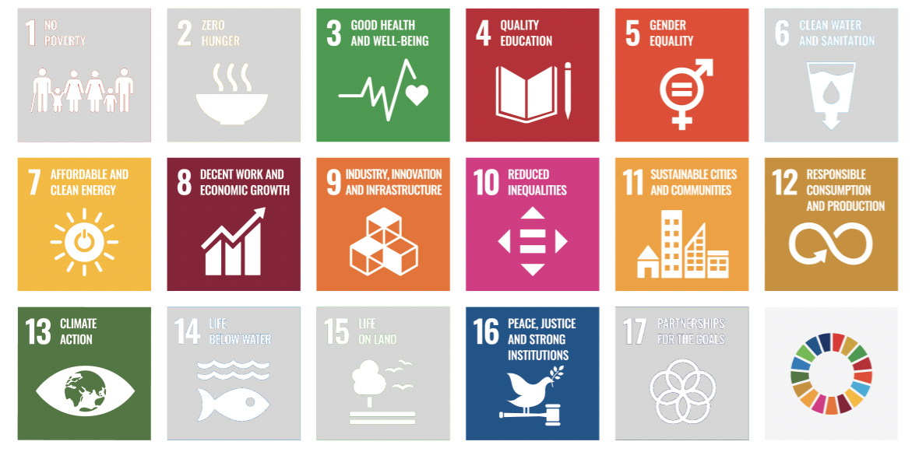

Capgemini contribution to the UN SDGs
SDG | Target | Capgemini contribution | URD FY25 location
ENVIRONMENT
 | Target 7.2: “By 2030, increase substantially the share of renewable energy in the global energy mix” | In 2025, we achieved a 94% reduction in Scope 1 and 2 emissions, compared to 2019. The key driver was our transition to 100% renewable electricity by 2025, as part of our RE100 commitment, up from 28% in 2019. Today all of our operations in 49 countries run entirely on renewable electricity, supported by on-site solar generation and PPAs, reinforcing our leadership in promoting clean energy and helping clients accelerate their own transitions. We have developed a range of services to help our clients increase the share of renewables in their energy mix. This includes our expertise in negotiating and implementing corporate PPA agreements, as well as our specific support for climate tech clients, helping them scale up, particularly in the fields of hydrogen and renewable energy, etc. In addition, we provide solutions for energy efficiency and optimization, such as the Energy Command Center asset, which enables intelligent management of energy consumption, paving the way for a more resilient and sustainable energy mix. | Section 4.2.2 Section 4.2.2 Section 4.2.3
 | Target 9.4: “By 2030, upgrade infrastructure and retrofit industries to make them sustainable, with increased resource-use efficiency and greater adoption of clean and environmentally sound technologies and industrial processes, all countries taking action in accordance with their respective capabilities” | We are committed to working closely with our clients to optimize their infrastructure use and industrial processes, helping them reach their sustainability goals. Two key Group offers support this: Sustainable Operations, Manufacturing and Supply Chain, and Sustainable Technology. Through these services, we help our clients map and understand the footprint of their supply chain, infrastructure, and products and services. We implement best-in-class methodologies to reduce material waste, water usage, and GHG emissions, limit critical resources and promote circularity, to decrease the carbon footprint of products and services. Flagship sites in India and Europe hold LEED, IGBC, BREEAM certifications, with four Indian campuses achieving Net Zero-Energy Platinum status. Features include efficient HVAC, solar arrays, rainwater harvesting, EV charging, and dual feeder electricity supply. Bangalore campus was named one of 100 Iconic Sustainable Buildings by G20 India. ISO 50001 certification continues to drive energy conservation measures. Overall, energy efficiency initiatives, led by ECC, have reduced total energy consumption by 44% since 2019. | Section 4.2.2 Section 4.2.3
 | Target 11.6: “By 2030, reduce the adverse per capita environmental impact of cities, including by paying special attention to air quality and municipal and other waste management” | As a company that employs 355,189 people, many of whom live and work in cities, the decisions we make on mobility and waste management can have a global reach. We are committed to reducing the emissions and air pollutants associated with business travel and employee commuting, with targets to reduce GHG emissions by 55% per employee by 2030 and 90% absolute by 2040. We also implement initiatives to reduce waste generation and maximize recycling rates by incorporating zero waste and circularity practices. | Section 4.1.1 Section 4.2.2 Section 4.3.1 Section 4.3.2
 | Target 12.2: “By 2030, achieve the sustainable management and efficient use of natural resources” | We have an impact on advancing resource efficiency and supporting the circular economy, primarily through the decisions on what we buy, how we use, re-use and dispose of resources. We are committed to reducing total waste per employee by 80% by 2030 compared to 2019, and to reach the amount of zero landfilled waste. At the same time, given that the use and management of natural resources is critical for many of our clients, we have developed services to support them in this transformation. This involves, first and foremost, helping clients understand the impact of their upstream supply chain. Supporting their sustainability transformation includes reworking their sourcing strategies, enhancing transparency with suppliers, and collecting accurate data from their supply chain. Secondly, we provide high-value technical expertise in product design and formulation to reduce the impact of each product. By applying circularity principles, we optimize raw material usage and promote re-utilization, significantly reducing waste and resource consumption. Lastly, since dependency on natural resources also raises vulnerability issues, our clients need to forecast the risks they may be exposed to. Our Business for Planet Modeling asset is designed to visualize long-term scenarios that account for the client’s specific context and the risks related to climate, physical threats, and access to natural resources. This tool plays a key role in strengthening our clients’ resilience against physical risks, improving their natural resource sourcing, and supporting strategic decisions that enhance both their long-term resilience and sustainability ambition. | Section 4.3 Section 4.2.3
 | Target 13.3: “Improve education, awareness-raising and human and institutional capacity on climate change mitigation, adaptation, impact reduction and early warning” | Our sustainability program continues to drive strong action on climate change. We are committed to improving education, building capacity, and raising awareness of climate change both throughout our workforce and with our clients. As part of the mandatory curriculum for employees, the Globe Awareness Module has now been completed by more than 333,000 employees across the Group. In 2025, we added 12 new courses, and updated 6 existing courses. This ongoing effort aims to ensure our offerings remain closely aligned with employee needs, effectively addressing the challenges they face in their daily work whilst also meeting client expectations. Our efforts earned two Gold Brandon Hall Awards for learning excellence. Going forward, we will integrate sustainability questions into global employee pulse surveys to refine engagement. | Section 4.2.2
SOCIAL
...

ESG Ratings
...
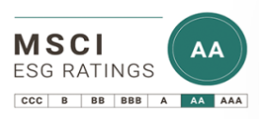

2022 | 2023 | 2024 | 2025 | 2026 | N vs N-1 | Last rating period industry average
A | A | A | AA | AA
...

...
2022 | 2023 | 2024 | 2025 | N vs N-1 | Last rating period industry average
A | A | A | A
...
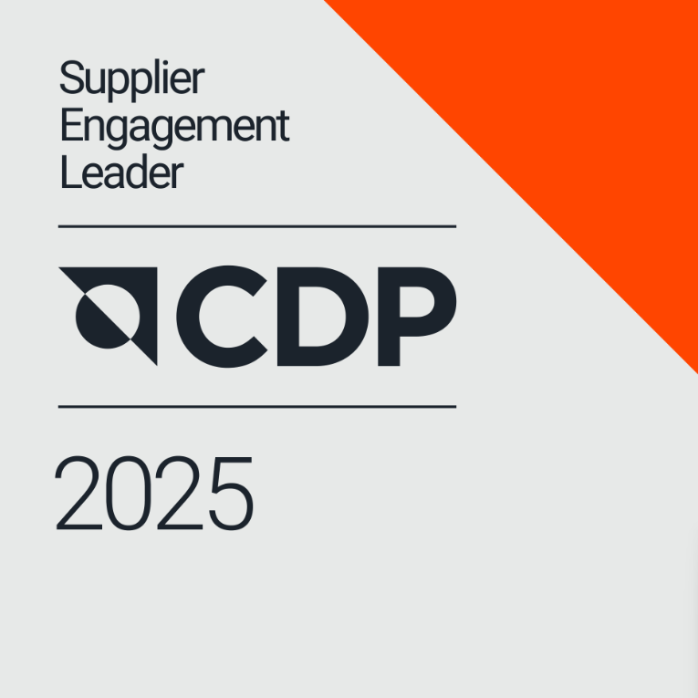
...
2022 | 2023 | 2024 | 2025 | N vs N-1 | Last rating period industry average
Leaderboard | Leaderboard | Leaderboard | Leaderboard
...


2022 | 2023 | 2024 | 2025 | N vs N-1 | Last rating period industry average
World's Most Ethical Companies | World's Most Ethical Companies | World's Most Ethical Companies | World's Most Ethical Companies |  | N/A
...
2022 | 2023 | 2024 | 2025 |  | 2026 | N vs N-1 | Last rating period industry average | 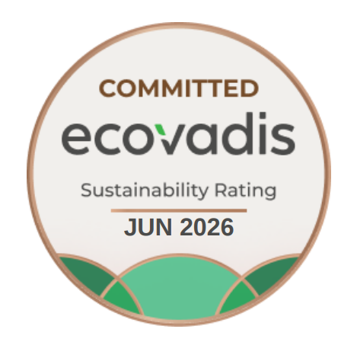
99th percentile | 99th percentile | 99th percentile | 99th percentile | 96th percentile | 92th percentile
Platinum | Platinum | Platinum | Platinum | Committed Revised in February 26 | Committed
83 | 80 | 87 | 85 | 78 | 78 |  | 66
...
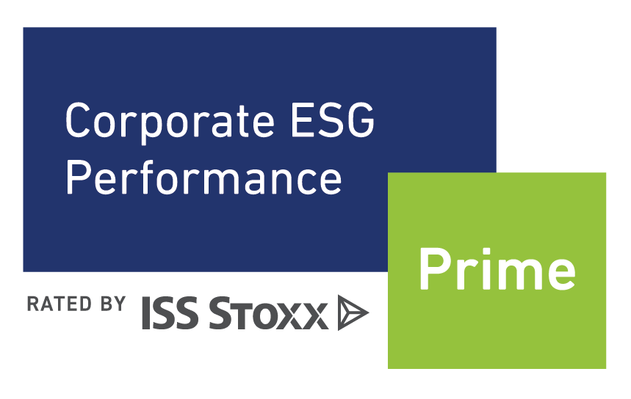

2022 | 2023 | 2024 | 2025 | N vs N-1 | Last rating period industry average
1st decile | 1st decile | 1st decile | 1st decile
Prime status | Prime status | Prime status | Prime status |  | N/A
B | B | B | B+
...
2022 | 2023 | 2024 | 2025 | N vs N-1 | Last rating period industry average
Sustainability Yearbook Top 10% | Sustainability Yearbook Top 10% | Sustainability Yearbook Member | Sustainability Yearbook Member |  | 23 companies in Yearbook out of 177 assessed in industry (IT Services) | 
...
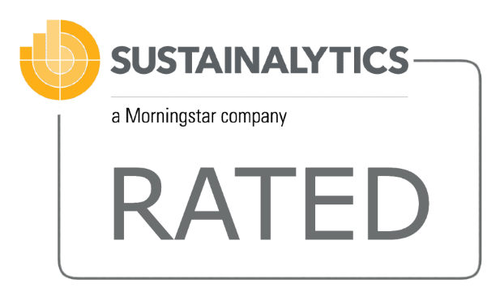
2022 | 2023 | 2024 | 2025 | N vs N-1 | Last rating period industry avearge
 | 9/1085 | 3/955 | 9/951 |  | Novembre 21, 2025 rating in Software & services industry group
10.0 / Low risk | 10.7 / Low risk | 7.6/ Negligible risk | 11.2 Low-risk rating
...


2022 | 2023 | 2024 | 2025 | N vs N-1 | Last rating period industry avearge
Silver Level | Gold Level | Gold Level | Gold Level
...
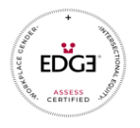
2022 | 2023 | 2024 | 2025 | N vs N-1 | Last rating period industry avearge
Global Edge Plus certification | Global Edge Plus certification | Global Edge Plus & Edge move certification | Global Edge Plus certification |  | N/A
...
 | 2023 | 2024 | 2025 | N vs N-1 | Last rating period industry avearge
 | Included | Included | Included |  | N/A
 | Included | Included | Included |  | N/A
...
2022 | 2023 | 2024 | 2025 | N vs N-1 | Last rating period industry avearge
Included | Included | Included | Included |  | N/A
...
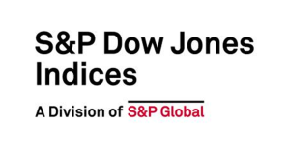
2022 | 2023 | 2024 | 2025 |  | Y-to-Y evolution
97th percentile | 97th percentile | 96th percentile | 97th percentile | 95th percentile
81 | 77 | 79 | 82 | 80 Revised in July 26
DJSI Europe | DJSI Europe | DJSI Europe | Dow Jones Best-in-Class | Dow Jones Best-in-Class
...


2022 | 2023 | 2024 | 2025 | N vs N-1 | Last rating period industry avearge
Included | Included | Included | Included | =
...

