ESG Policy
Capgemini ESG Policy

As a responsible business, we are determined to play a leadership role in ensuring technology creates a sustainable future. We drive internal change across every aspect of our operations, while helping our clients achieve their sustainability commitments. We also team up with our partners and suppliers, start-ups, policy-makers, governments and academics, to make sustainable progress together aligned to the goals of the Paris Agreement. Our ESG Policy is the guide for an effective integration of our priorities into the Company’s strategy, decision-making process, development of solutions and services, and in our relationship with our main stakeholders. It aims not only to comply with applicable regulations, but also to incorporate national and international ESG best practices and recommendations. To this end, the policy frames 14 objectives that will ensure that we deliver on our priorities. All staff members are responsible for following the policy with the support, direction, and commitment of our leadership.

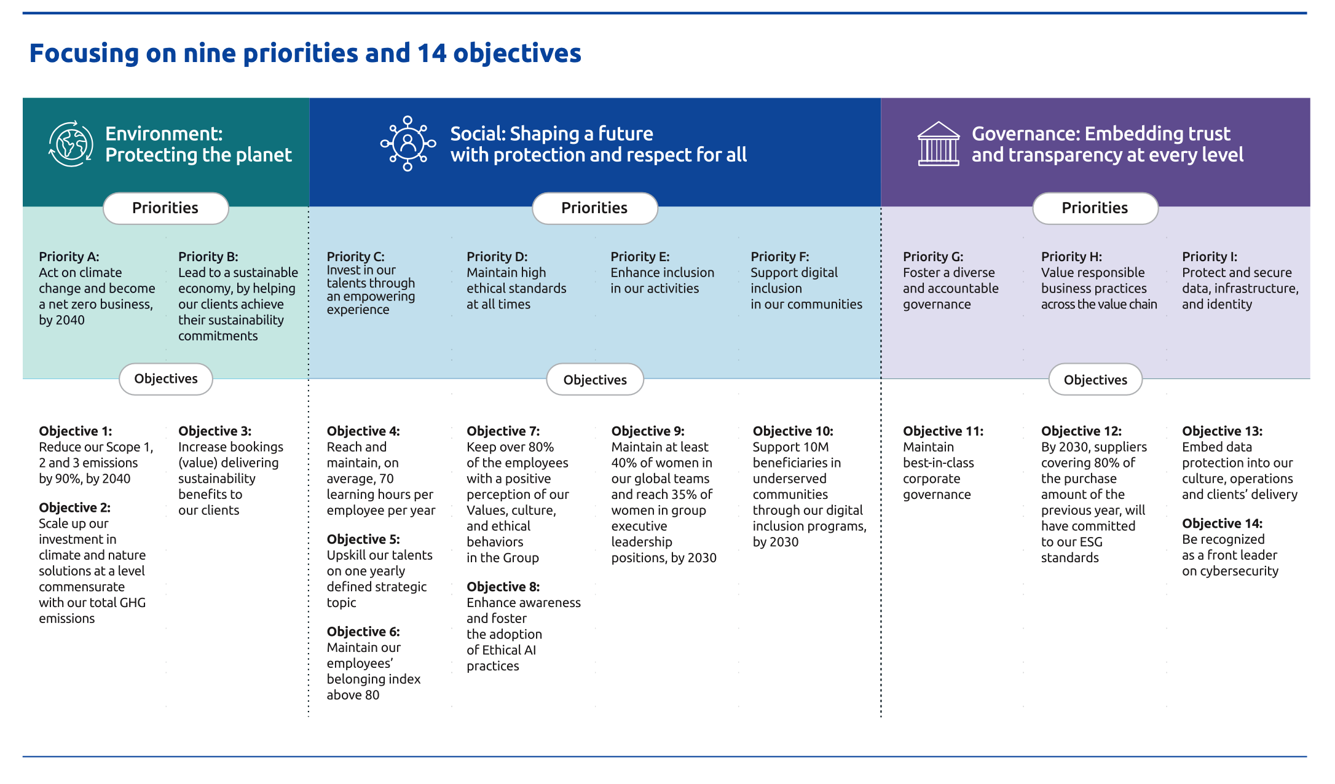

Achievements of our ESG policy at the end of 2025
These achievements reflect our unique ability to leverage our expertise and collaborative approach in addressing some of the world's most pressing challenges

Topics | Objectives | Metric ID | Metric | Unit | 2019 | 2021 | 2022 | 2023 | 2024 | 2025 | % change vs 2019 | % change vs 2024 | 2030 Target | 2040 Target
Environment | Objective 1: Reduce our Scope 1, 2 and 3 emissions by 90% by 2040 | ENVEMIS001 | Absolute Scope 1 and 2 emissions (market based) | tCO₂e | 154,078 | 63,878 | 18,916 | 13,596 | 11,159 | 8,747 | -94% | -22% | -80% absolute | -90% absolute
 |  | ENVEMIS009 | Employee commuting emissions per headcount (average total headcount) | tCO₂e/ head | 1.08√ | 0.11 | 0.36 | 0.50 | 0.55 | 0.50√ | -53.4% √ | -9% | -55% per employee | -90% absolute
 |  | ENVEMIS038 | Purchased goods and services - Scope 3 | tCO₂e | 305,718√ | 300,624 | 365,650 | 352,062 | 301,522 | 279,527√ | -8.6% √ | -7% | -50% absolute | -90% absolute
 |  | ENVEMIS005 | Business travel emissions per headcount (average total headcount) | tCO₂e/ head | 1.26√ | 0.18 | 0.40 | 0.50 | 0.48 | 0.38√ | -70% √ | -22% | -55% per employee | -90% absolute
 | Objective 2: Scale up our investment in climate and nature solutions at a level commensurate with our total GHG emissions | ENVEMIS050 | % of residual operational emissions for which carbon credits have been retired | % | - | - | - | - | - | 100% | - | - | 100% | -
 |  | ENVEMIS051 | % of residual total emissions for which carbon credits have been retired | % | - | - | - | - | - | 57.8% | - | - | 100% | -
 | Objective 3: Increase bookings (value) delivering sustainability benefits to our clients | ENVBOOK002 | Variation of booking values delivering sustainability benefits to our clients | % | - | - | - | - | - | 7% √ | - | - | Increasing every year | -
Social | Objective 4: Reach and maintain, on average, 70 learning hours per headcount per year | SOCSKIL011 | Average Completed Learning Hours, including learning in the flow of work, per headcount at the end of the year | Hours | - | - | - | 66.5 | 81.3 | 97.2√ | - | 20% | >=70 | -
 | Objective 5: Upskill our talents on one yearly defined strategic topic | SOCSKIL013 | Number of active learners on a yearly defined strategic topic | # | - | - | - | - | - | 194,775 | - | - | Above the target defined by the Group and disclosed in N-1
 | Objective 6: Maintain our employees’ belonging index above 80 | SOCPEOP011 | Belonging Index Score | Score | - | - | - | - | - | 84 | - | - | >80 | -
 | Objective 7: Keep over 80% of the employees with a positive perception of our Values, culture, and the demonstration of ethical behaviors in the Group | GOVETHI010 | % of employees surveyed with an average Ethical culture scorebetween 7 and 10 (annual average number of employees) | % | - | 85% | 87% | 86% | 85% | 85% | - | 0% | >80% | -
 | Objective 8: Enhance awareness and foster the adoption of Ethical AI practices | GOVETHI040 | % of headcount (total headcount at the end of the year) who completed the annual "Ethics in AI" training | % | - | - | - | - | - | To be reported from 2026 | - | - | >80% | -
 | Objective 9: Maintain at least 40% of women in our global teams and reach 35% of women in group executive leadership positions, by 2030* | SOCDIVE004 | % of women in the workforce | % | - | 35.8% | 37.8% | 38.8% | 39.7% | 40.5% √ | - | 2% | >=40% | -
 |  | SOCDIVE007 | % of women in group executive leadership positions | % | - | 22.4% | 24.4% | 26.2% | 29.0% | 30.5% √ | - | 5% | >=35% | -
 | Objective 10: Support 10M beneficiaries in underserved communities through our programs, by 2030 | SOCCOMM001 | Cumulated number of Digital Inclusion beneficiaries (since 2018) | # | - | 762,282 | 1,899,744 | 4,376,777 | 7,542,231 | 8,497,643 | - | 13% | >10M | -
Governance | Objective 11: Maintain best-in-class corporate governance | GOVORGA029 | MSCI ESG rating on corporate governance | Score | - | Rating achieved | Rating achieved | Rating achieved | Rating achieved | Rating achieved | - | - | Top quartile of MSCI ESG rating compared to industry peers
 | Objective 12: By 2030, suppliers covering 80% of the purchase amount of the previous year, will have committed to our ESG standards | GOVSUPP009 | Purchase amount with suppliers who have committed to our ESG standards (committed to the Capgemini’s Supplier Standards of Conduct or equivalent commitment) over the total purchase amount of the reporting year (%) (2) | % | - | - | 0% | 0% | 60.0% | 71.8% | - | 20% | >80% | -
 | Objective 13: Embed data protection into our culture, operations and clients’ delivery | GOVDATA006 | % of headcount (total headcount at the end of the year) who completed the mandatory e-learning module on data protection | % | - | - | 89% | 96% | 95% | 94% | - | -1% | >90% | -
 |  | GOVDATA007 | % of DPO (number of DPO at the end of the year) certified with one of the external official certifying bodies | % | - | 57% | 65% | 72% | 76% | 87% | - | 14% | >90% | -
 |  | GOVDATA017 | % of qualified client engagements having reached a top-level comprehensive digital data protection maturity assessment | % | - | - | - | - | - | 58% | - | - | >85% | -
 | Objective 14: Be recognized as a front leader on cybersecurity | GOVCYBE007 | % of operation centers and sensitive facilities at the end of the year, ISO 27001 certified | % | - | 80% | 95% | 95% | 98% | 98% | - | -1% | >98% | -
 |  | GOVCYBE004 | % of headcount (total headcount at the end of the year) who completed the mandatory e-learning module on Cybersecurity | % | - | 91% | 91% | 97% | 95% | 96% | - | 1% | >95% | -
Scope: Capgemini group.
√ Data identified in these tables by a √ has been reviewed by Forvis Mazars with a reasonable level of assurance.

ESG organization & governance

The role of the Board of Directors of Capgemini SE and its specialized committees in overseeing sustainability matters and related targets can be summarized as follows: a) sets the strategy and ensures that long-term value creation for all stakeholders is promoted; it appoints the executive corporate officer(s) responsible for implementing this strategy; it monitors and steers the Group sustainability strategy overall, ensuring sustainability is fully embedded in the Group’s main strategic orientations; b) confirms the existence and efficiency of internal control, internal audit and risk management systems, in particular regarding procedures governing the preparation and processing of financial and sustainability information and it approves the sustainability statement; c) ensures the integration of sustainability-related performance in the compensation of the CEO and top management; d) monitors either directly or through its four specialized committees all sustainability-related risks, impacts and opportunities and related targets; committees have a consultative role only as per French law and oversee the sustainability matters described below:
 | Strategy & CSR Committee | a) ensures consistency in the consideration of social and environmental aspects in the Group’s main strategic orientations. b) monitors the Group’s CSR strategy, with a focus on the following sustainability matters (impacts and related targets): (i ) Climate change mitigation (impact); (ii) Helping clients achieve their sustainability objectives (positive impact); (iii)Consumption of resources and indirect impacts on the supply chain (impact); (iv) Diverse and inclusive environment (impact); (v) Digital inclusion and socio-economic development (positive impact).
 | Audit & Risk Committee | a) monitors the process of preparation of sustainability information. b) confirms the existence and effectiveness of internal control and internal audit systems as well as the systems for managing the risks in relation to the preparation and processing of sustainability information. c) reviews the draft sustainability statement. d) monitors the certification of sustainability information, ensures the independence of the Sustainability Auditors and recommends their appointment. e) monitors the Group’s risks, with a focus on the following sustainability matters (including related targets): (i) Cybersecurity; (ii) Data privacy; (iii) Talent attraction, retention and development; (iv) Health & Safety; (v)Anti-competitive practices; (vi) Export/Trade Control.
...

Materiality & value chain
...
Double materiality assessment

Following the double materiality assessment update, our material impacts, risks and opportunities can be aggregated into 15 macro sustainability matters as summarized below.
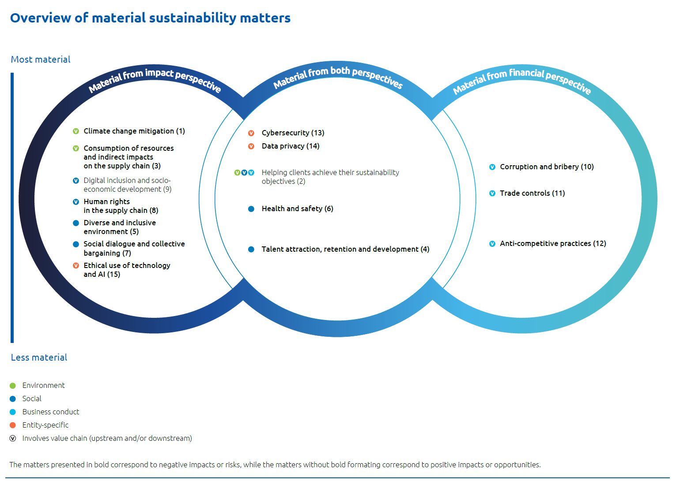

 |  |  |  |  |  |  |  | The numbering of sustainability matters corresponds to the order in which they appear in this Sustainability Statement. The Group identified an ESG matter generating impacts, risks, or opportunities not presented in the ESRS list: - Cybersecurity. An entity-specific topic was therefore created. This topic is of specific interest to report users (particularly investors) and is covered by ESG standards and questionnaires. It represents one of the main industry-specific matters for the Group. Previously reported under S4, this topic is now developed under Governance information for better alignment with market practices. - Data privacy is considered a closely related but different topic as it focuses on the protection of personal data of employees, end-users, and business partners (whereas cybersecurity focuses broadly on the sensitive data of legal entities, mainly clients). Data privacy is not an entity-specific topic, as it is attached to the sub-topic “privacy” within ESRS S1, S2, and S4. Previously reported under S4, this topic is now developed under "Governance information". In addition to disclosures related to material IROs not specifically covered by the ESRS such as cybersecurity, digital inclusion or ethical use of technology and AI, the Group has chosen to make additional disclosures, either to show progress against the Group’s specific targets or to provide additional relevant information for our sector, as expected by voluntary reporting standards such as SASB or by rating agencies such as S&P Global Corporate Sustainability Assessment (CSA), CDP or Bloomberg.

The value chain

Our value chain comprises actors both upstream and downstream as described below. The actors upstream, such as our business partners and our financial community stakeholders, provide us with products or services that are used by the Group's entities in the developing services delivered to our clients and their own customers or end-users (downstream actors). In our operations we also interact with public authorities and civil society.

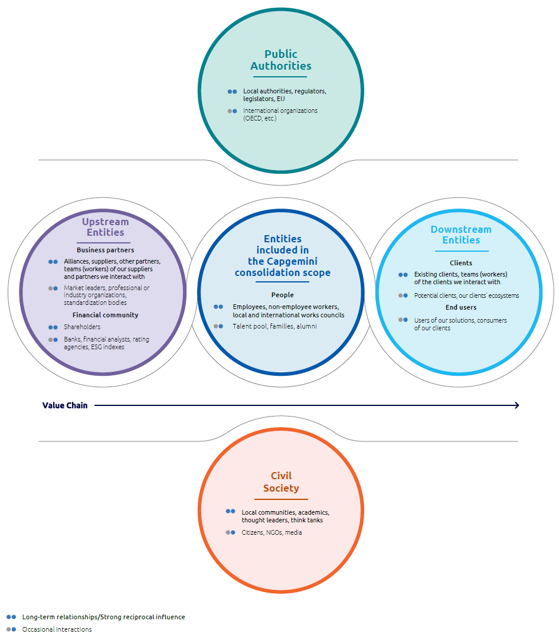

Capgemini’s success is built upon its ability to establish trusting relationships with the stakeholders in its value chain. We establish this communication with our stakeholders on three levels: at Group level, at the level of our local entities, but also at the level of each employee. Capgemini has defined and developed an ad hoc interaction method with players in each of the five categories comprising our value chain.

Our commitments to stakeholders as defined in our policies

Policies | Business Partners | Financial community | Employees | Non- Employees | Clients | End-users | Civil society | Public authorities
ESG Policy | √ | √ | √ | √ | √ |  | √ | √
Anti-corruption Policy | √ | √ | √ | √ | √ |  | √ | √
...

Climate Change
...
Further details
Our transition roadmap in 10-point plan

To reach our targets, we are taking a range of measures across the organization, and we have unfolded a 10‐point transition plan to address all areas needed to achieve net zero.

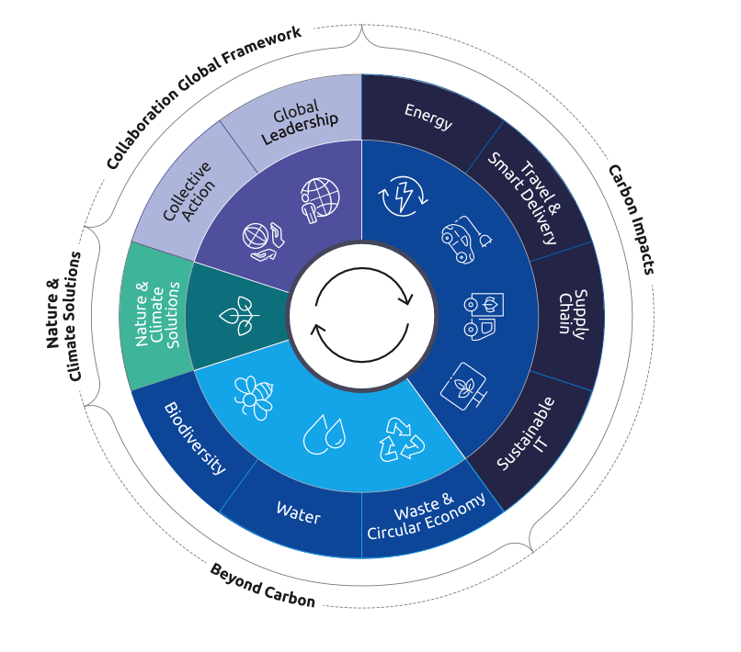

Climate change mitigation and adaptation performance

Environmental Management System

Scope | Colonne1 | Metric ID | Metrics | Unit | 2019 | 2021 | 2022 | 2023 | 2024 | 2025 | % change vs 2019
Capgemini group |  | ENVENVI007 | Operations covered by ISO 14001 - % of headcount covered (headcount at the end of the year) | % | 80.0% | 93.0% | 94.0% | 98.2% | 98.0% | 98.3% √ | 23%
Capgemini group |  | ENVENVI008 | Operations covered by ISO 14001 - % of sites covered (number of sites at the end of the year | % |  | 62.0% | 68.0% | 73.0% | 81.0% | 88.4% | -
...

Own Workforce
...
Training and skills development

Capgemini is committed to equipping its workforce with the advanced skills and capabilities necessary to deliver value both today and in the future. We offer world-class, people-centric, and transformative learning opportunities, ensuring that all employees (from graduates to senior leaders) have access to the rightlearning, in the right format, at the right time. This approach enables our people to thrive in an ever-evolving digital landscape. Our dedication to continuous development encompasses human skills, industry expertise, sustainability, and advanced technology, with a particular focus on artificial intelligence, generative AI, and Agentic AI. Through these initiatives, Capgemini ensures that teams remain efficient, innovative, and market-leading, consistently delivering superior outcomes for clients and supporting the long-term success of the organization. In 2025, we continued to demonstrate our commitment to continuous learning to all Capgemini employees, delivering learning at scale across the organization: Capgemini’s emphasis on hands-on, practical learning empowers employees to translate their potential into measurable business outcomes, while simultaneously fostering sustainable, long-term employability both within the organization and beyond.

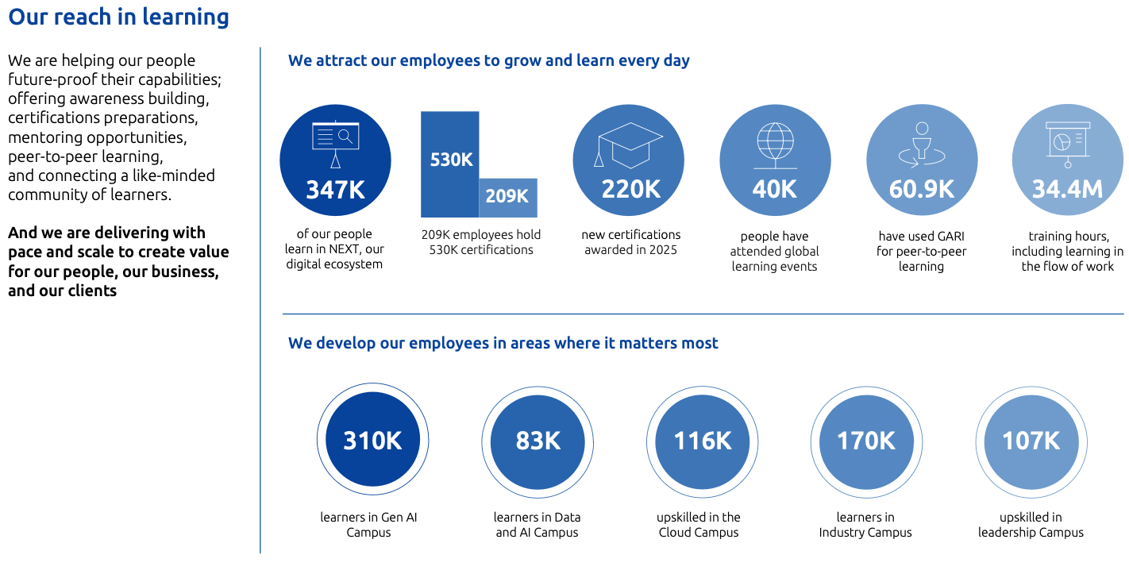

Learning & Development performance
 | Scope | Metric ID | Metric | Unit
Performance reviews | Capgemini group | S1-13_02 | % of employees having participated in regular performance and career development reviews | %
 | EMEA | S1-13_02 | % of employees having participated in regular performance and career development reviews | %
 | Asia-Pacific | S1-13_02 | % of employees having participated in regular performance and career development reviews | %
 | Americas | S1-13_02 | % of employees having participated in regular performance and career development reviews | %
 | Men | S1-13_02 | % of employees having participated in regular performance and career development reviews | %
 | Women | S1-13_02 | % of employees having participated in regular performance and career development reviews | %
Learning hours | Capgemini group | SOCSKIL010 | Total number of learnings hours, including in the flow of work | M hours
...

UN SDGs
United Nation Sustainable Development Goals - UN SDGs

In 2015, the United Nations General Assembly adopted the 2030 Agenda for Sustainable Development, along with a set of 17 United Nations (UN) Sustainable Development Goals (SDGs). They provide a shared blueprint for peace and prosperity for people and the planet, now and in the future. Business plays a vital role in mobilizing and sharing knowledge, expertise, technologies, and financial resources to advance the goals. Capgemini has committed to help achieve 11 of the 17 SDGs, as we believe that they best reflect our ability to integrate material ESG challenges in the way we do business. These goals also reflect our commitment to the ten principles of the UN Global Compact, which Capgemini first signed in 2004. We assessed our contribution to 169 different targets to select the 11 SDGs relevant to our business and ESG policy.

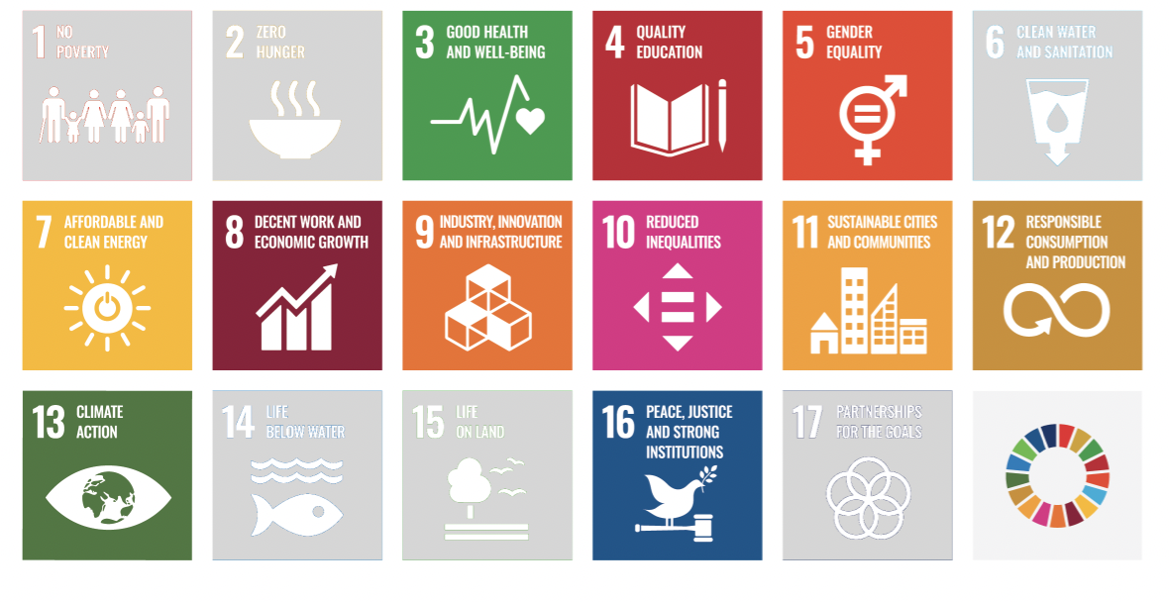

Capgemini contribution to the UN SDGs
SDG | Target | Capgemini contribution | URD FY25 location
ENVIRONMENT
 | Target 7.2: “By 2030, increase substantially the share of renewable energy in the global energy mix” | In 2025, we achieved a 94% reduction in Scope 1 and 2 emissions, compared to 2019. The key driver was our transition to 100% renewable electricity by 2025, as part of our RE100 commitment, up from 28% in 2019. Today all of our operations in 49 countries run entirely on renewable electricity, supported by on-site solar generation and PPAs, reinforcing our leadership in promoting clean energy and helping clients accelerate their own transitions. We have developed a range of services to help our clients increase the share of renewables in their energy mix. This includes our expertise in negotiating and implementing corporate PPA agreements, as well as our specific support for climate tech clients, helping them scale up, particularly in the fields of hydrogen and renewable energy, etc. In addition, we provide solutions for energy efficiency and optimization, such as the Energy Command Center asset, which enables intelligent management of energy consumption, paving the way for a more resilient and sustainable energy mix. | Section 4.2.2 Section 4.2.2 Section 4.2.3
 | Target 9.4: “By 2030, upgrade infrastructure and retrofit industries to make them sustainable, with increased resource-use efficiency and greater adoption of clean and environmentally sound technologies and industrial processes, all countries taking action in accordance with their respective capabilities” | We are committed to working closely with our clients to optimize their infrastructure use and industrial processes, helping them reach their sustainability goals. Two key Group offers support this: Sustainable Operations, Manufacturing and Supply Chain, and Sustainable Technology. Through these services, we help our clients map and understand the footprint of their supply chain, infrastructure, and products and services. We implement best-in-class methodologies to reduce material waste, water usage, and GHG emissions, limit critical resources and promote circularity, to decrease the carbon footprint of products and services. Flagship sites in India and Europe hold LEED, IGBC, BREEAM certifications, with four Indian campuses achieving Net Zero-Energy Platinum status. Features include efficient HVAC, solar arrays, rainwater harvesting, EV charging, and dual feeder electricity supply. Bangalore campus was named one of 100 Iconic Sustainable Buildings by G20 India. ISO 50001 certification continues to drive energy conservation measures. Overall, energy efficiency initiatives, led by ECC, have reduced total energy consumption by 44% since 2019. | Section 4.2.2 Section 4.2.3
 | Target 11.6: “By 2030, reduce the adverse per capita environmental impact of cities, including by paying special attention to air quality and municipal and other waste management” | As a company that employs 355,189 people, many of whom live and work in cities, the decisions we make on mobility and waste management can have a global reach. We are committed to reducing the emissions and air pollutants associated with business travel and employee commuting, with targets to reduce GHG emissions by 55% per employee by 2030 and 90% absolute by 2040. We also implement initiatives to reduce waste generation and maximize recycling rates by incorporating zero waste and circularity practices. | Section 4.1.1 Section 4.2.2 Section 4.3.1 Section 4.3.2
 | Target 12.2: “By 2030, achieve the sustainable management and efficient use of natural resources” | We have an impact on advancing resource efficiency and supporting the circular economy, primarily through the decisions on what we buy, how we use, re-use and dispose of resources. We are committed to reducing total waste per employee by 80% by 2030 compared to 2019, and to reach the amount of zero landfilled waste. At the same time, given that the use and management of natural resources is critical for many of our clients, we have developed services to support them in this transformation. This involves, first and foremost, helping clients understand the impact of their upstream supply chain. Supporting their sustainability transformation includes reworking their sourcing strategies, enhancing transparency with suppliers, and collecting accurate data from their supply chain. Secondly, we provide high-value technical expertise in product design and formulation to reduce the impact of each product. By applying circularity principles, we optimize raw material usage and promote re-utilization, significantly reducing waste and resource consumption. Lastly, since dependency on natural resources also raises vulnerability issues, our clients need to forecast the risks they may be exposed to. Our Business for Planet Modeling asset is designed to visualize long-term scenarios that account for the client’s specific context and the risks related to climate, physical threats, and access to natural resources. This tool plays a key role in strengthening our clients’ resilience against physical risks, improving their natural resource sourcing, and supporting strategic decisions that enhance both their long-term resilience and sustainability ambition. | Section 4.3 Section 4.2.3
 | Target 13.3: “Improve education, awareness-raising and human and institutional capacity on climate change mitigation, adaptation, impact reduction and early warning” | Our sustainability program continues to drive strong action on climate change. We are committed to improving education, building capacity, and raising awareness of climate change both throughout our workforce and with our clients. As part of the mandatory curriculum for employees, the Globe Awareness Module has now been completed by more than 333,000 employees across the Group. In 2025, we added 12 new courses, and updated 6 existing courses. This ongoing effort aims to ensure our offerings remain closely aligned with employee needs, effectively addressing the challenges they face in their daily work whilst also meeting client expectations. Our efforts earned two Gold Brandon Hall Awards for learning excellence. Going forward, we will integrate sustainability questions into global employee pulse surveys to refine engagement. | Section 4.2.2
SOCIAL
...

ESG Ratings
...
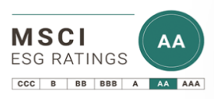

2022 | 2023 | 2024 | 2025 | N vs N-1 | Last rating period industry average
A | A | A | AA
...
2022 | 2023 | 2024 | 2025 | N vs N-1 | Last rating period industry average
A | A | A | A
...
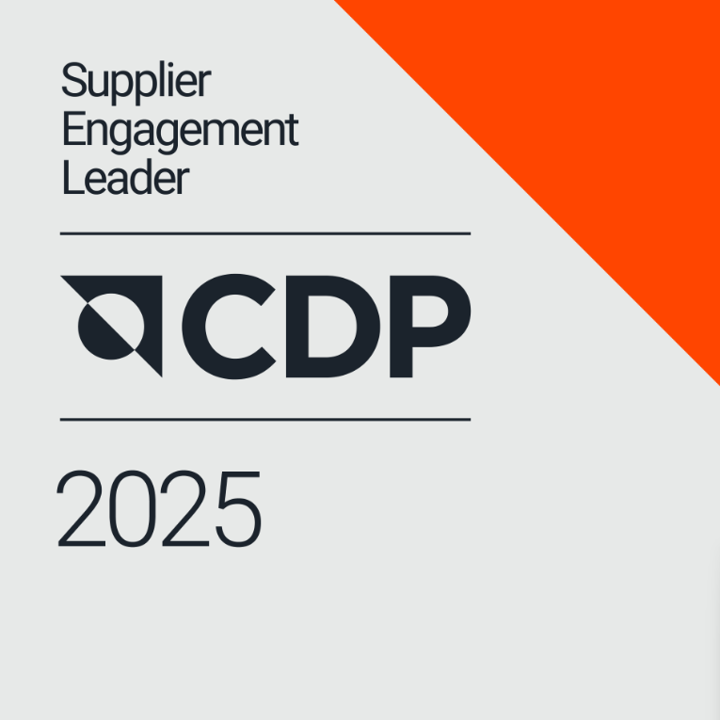
...
2022 | 2023 | 2024 | 2025 | N vs N-1 | Last rating period industry average
Leaderboard | Leaderboard | Leaderboard | Leaderboard
...
2022 | 2023 | 2024 | 2025 | N vs N-1 | Last rating period industry average
World's Most Ethical Companies | World's Most Ethical Companies | World's Most Ethical Companies | World's Most Ethical Companies |  | N/A
...
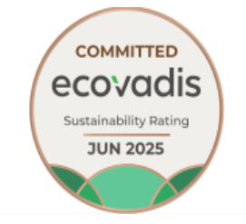
2022 | 2023 | 2024 | 2025 |  | N vs N-1 | Last rating period industry average
99th percentile | 99th percentile | 99th percentile | 99th percentile | 96th percentile
Platinum | Platinum | Platinum | Platinum | Committed Revised in February 26
83 | 80 | 87 | 85 | 78 |  | 62
...
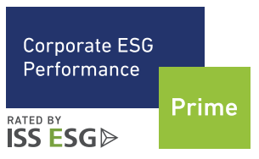

2022 | 2023 | 2024 | 2025 | N vs N-1 | Last rating period industry average
1st decile | 1st decile | 1st decile | 1st decile
Prime status | Prime status | Prime status | Prime status |  | N/A
B | B | B | B+
...
2022 | 2023 | 2024 | 2025 | N vs N-1 | Last rating period industry average
Sustainability Yearbook Top 10% | Sustainability Yearbook Top 10% | Sustainability Yearbook Member | Sustainability Yearbook Member |  | 23 companies in Yearbook out of 177 assessed in industry (IT Services)
...
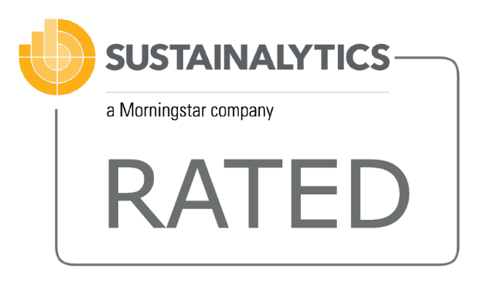
2022 | 2023 | 2024 | 2025 | N vs N-1 | Last rating period industry avearge
 | 9/1085 | 3/955 | 9/951 |  | Novembre 21, 2025 rating in Software & services industry group
10.0 / Low risk | 10.7 / Low risk | 7.6/ Negligible risk | 11.2 Low-risk rating
...
2022 | 2023 | 2024 | 2025 | N vs N-1 | Last rating period industry avearge
Silver Level | Gold Level | Gold Level | Gold Level
...
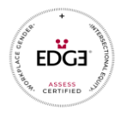

2022 | 2023 | 2024 | 2025 | N vs N-1 | Last rating period industry avearge
Global Edge Plus certification | Global Edge Plus certification | Global Edge Plus & Edge move certification | Global Edge Plus certification |  | N/A
...
2022 | 2023 | 2024 | 2025 | N vs N-1 | Last rating period industry avearge
...
2022 | 2023 | 2024 | 2025 | N vs N-1 | Last rating period industry avearge
Included | Included | Included | Included |  | N/A
...
2022 | 2023 | 2024 | 2025 | Y-to-Y evolution | Last rating period industry avearge
81 | 77 | 79 | 82 |  |  | 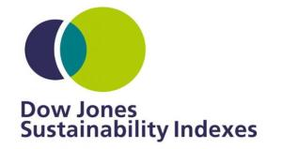
DJSI Europe | DJSI Europe | DJSI Europe | DJSI Europe
...
2022 | 2023 | 2024 | 2025 | N vs N-1 | Last rating period industry avearge
Included | Included | Included | Included | =
...

